42
Template EU MR4 - Comparison of VaR estimates with gains/losses
Euros |  |  | Back to index
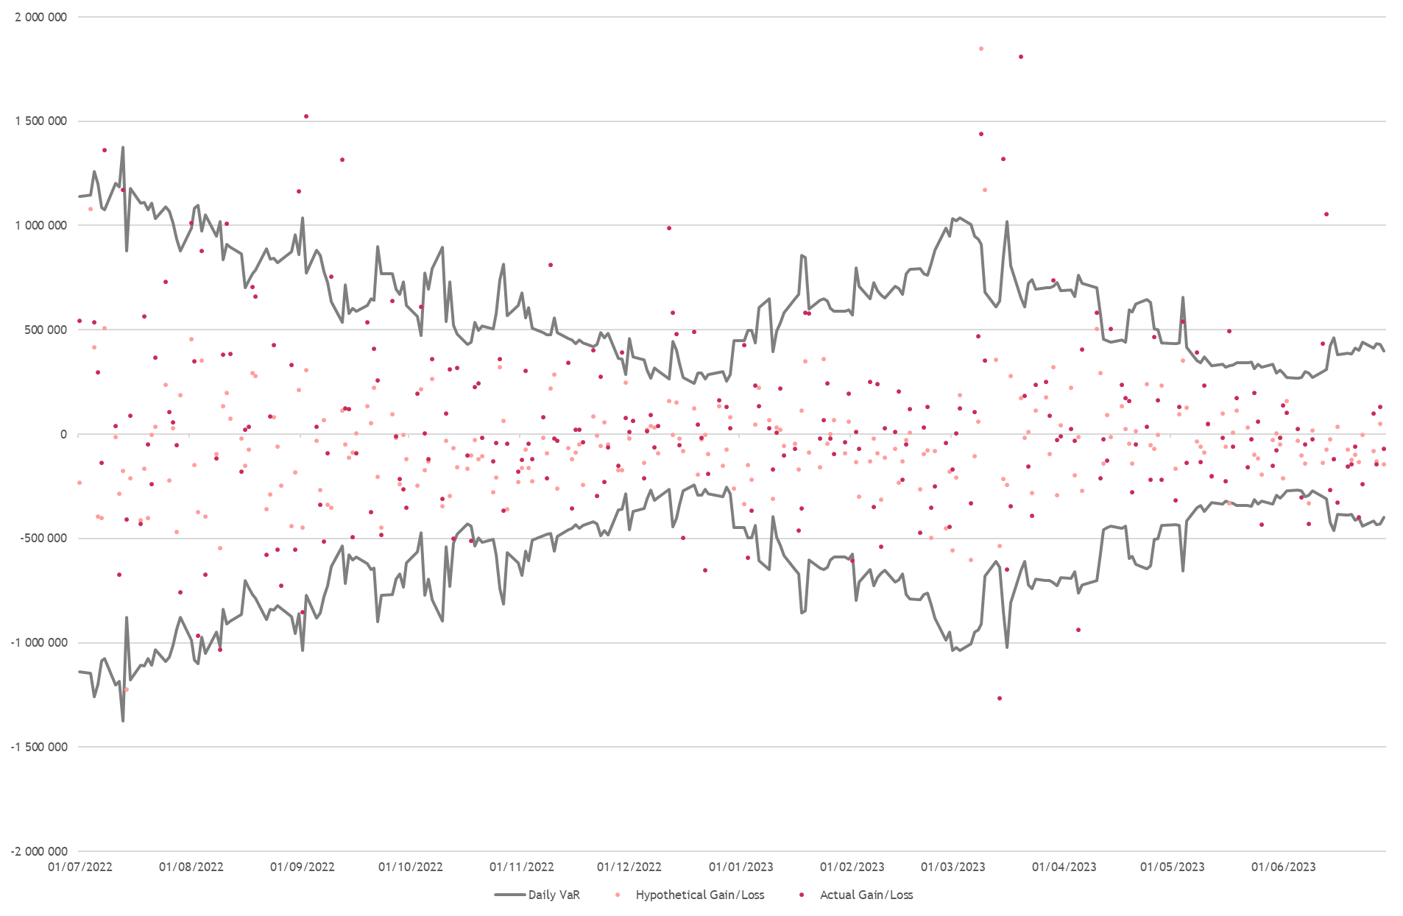

Date | VaR-P&L | Key Driver of the exception
2022-08-09 | -13,435 | Movements in FX rates
2022-10-18 | -69,406 | Movements in money market rates and sovereign debt yields; and losses in the asset allocation products
2022-12-16 | -226,109 | Losses in asset allocation products
2022-12-22 | -388,944 | Losses in asset allocation products
2023-01-03 | -94,135 | Losses in asset allocation products; Movements in sovereign debt yields.
2023-02-01 | -34,049 | Movements in sovereign debt yields.
2023-03-14 | -626,306 | Losses in asset allocation products; Movements in sovereign debt yields.
2023-04-05 | -174,811 | Losses in asset allocation products
2023-05-26 | -111,114 | Movements in FX rates; Losses in asset allocation products; Movements in sovereign debt yields.
2023-06-06 | -29,702 | Movements in FX rates; Losses in asset allocation products.
2023-06-08 | -137,040 | Movements in FX rates; Movements in sovereign debt yields.

