D. Nat Trans Templ (2)
 |  |  | Report Reference Date: | 2019-03-29
 |  |  | Report Frequency: | Quarterly
6. Mortgage Credit Pool (continued)
Seasoning | Number of Loans | % Total Loans | Amount of Loans | % Total Amount
Up to 1 year | 7,631 | 3.37% | 805,789,486 | 6.99%
1 to 2 years | 10,181 | 4.49% | 974,827,700 | 8.46%
2 to 3 years | 6,863 | 3.03% | 554,850,542 | 4.82%
3 to 4 years | 5,189 | 2.29% | 360,596,964 | 3.13%
4 to 5 years | 3,373 | 1.49% | 201,212,418 | 1.75%
5 to 6 years | 3,914 | 1.73% | 187,280,138 | 1.63%
6 to 7 years | 3,821 | 1.69% | 177,139,357 | 1.54%
7 to 8 years | 3,533 | 1.56% | 196,107,154 | 1.70%
8 to 9 years | 10,150 | 4.48% | 616,522,037 | 5.35%
9 to 10 years | 11,465 | 5.06% | 628,511,179 | 5.46%
10 to 11 years | 18,549 | 8.18% | 967,320,488 | 8.40%
11 to 12 years | 29,866 | 13.17% | 1,557,639,772 | 13.52%
More than 12 years | 112,229 | 49.49% | 4,293,472,822 | 37.27%
Remaining Term | Number of Loans | % Total Loans | Amount of Loans | % Total Amount
Up to 5 years | 19,595 | 8.64% | 182,891,771 | 1.59%
5 to 8 years | 14,331 | 6.32% | 297,193,664 | 2.58%
8 to 10 years | 12,807 | 5.65% | 343,912,513 | 2.99%
10 to 12 years | 14,594 | 6.44% | 459,894,400 | 3.99%
12 to 14 years | 14,829 | 6.54% | 557,574,544 | 4.84%
14 to 16 years | 11,294 | 4.98% | 481,953,817 | 4.18%
16 to 18 years | 11,928 | 5.26% | 567,298,233 | 4.92%
18 to 20 years | 11,111 | 4.90% | 618,439,726 | 5.37%
20 to 22 years | 10,805 | 4.76% | 611,650,452 | 5.31%
22 to 24 years | 10,553 | 4.65% | 623,082,615 | 5.41%
24 to 26 years | 14,333 | 6.32% | 855,231,199 | 7.42%
26 to 28 years | 15,194 | 6.70% | 1,003,269,861 | 8.71%
28 to 30 years | 14,607 | 6.44% | 1,042,796,036 | 9.05%
30 to 40 years | 49,762 | 21.94% | 3,783,501,716 | 32.84%
More than 40 years | 1,021 | 0.45% | 92,579,510 | 0.80%
Current Unindexed LTV | Number of Loans | % Total Loans | Amount of Loans | % Total Amount
Up to 40% | 89,092 | 39.29% | 2,674,357,806 | 23.21%
40 to 50% | 29,618 | 13.06% | 1,501,114,185 | 13.03%
50 to 60% | 33,444 | 14.75% | 2,035,286,458 | 17.67%
60 to 70% | 42,386 | 18.69% | 2,797,317,156 | 24.28%
70 to 80% | 32,224 | 14.21% | 2,513,194,451 | 21.81%
More than 80% | 0 | 0.00% | 0 | 0.00%
Loan Purpose | Number of Loans | % Total Loans | Amount of Loans | % Total Amount
Owner-occupied | 213,006 | 93.93% | 10,499,375,565 | 91.13%
Second Home | 13,649 | 6.02% | 1,014,824,277 | 8.81%
Buy to Let | 0 | 0.00% | 0 | 0.00%
Other | 109 | 0.05% | 7,070,215 | 0.06%
Property Type | Number of Loans | % Total Loans | Amount of Loans | % Total Amount
Residential | 226,764 | 100.00% | 11,521,270,057 | 100.00%
Flat | 141,990 | 62.62% | 6,878,890,819 | 59.71%
House | 84,774 | 37.38% | 4,642,379,238 | 40.29%
Other | 0 | 0.00% | 0 | 0.00%
Commercial | 0 | 0.00% | 0 | 0.00%
Geographical Distribution | Number of Loans | % Total Loans | Amount of Loans | % Total Amount
Portugal | 226,764 | 100.00% | 11,521,270,057 | 100.00%
Norte | 73,391 | 32.36% | 3,457,450,297 | 30.01%
Center | 41,102 | 18.13% | 1,730,402,112 | 15.02%
Lisbon | 84,165 | 37.12% | 4,832,575,384 | 41.94%
Alentejo | 8,810 | 3.89% | 360,250,838 | 3.13%
Algarve | 11,295 | 4.98% | 712,454,406 | 6.18%
Madeira | 4,623 | 2.04% | 257,541,774 | 2.24%
Azores | 3,378 | 1.49% | 170,595,245 | 1.48%
Delinquencies7 | Number of Loans | % Total Loans | Amount of Loans | % Total Amount
> 30 to 60 days | 549 | 0.24% | 29,635,903 | 0.26%
> 60 to 90 days | 212 | 0.09% | 11,349,177 | 0.10%
> 90 days | 0 | 0.00% | 0 | 0.00%
Projected Outstanding Amountb |  |  | Amortisation Profile__ | Principal Balance
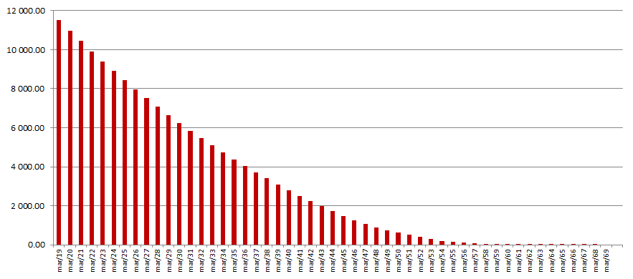
 |  |  | 2019-03-31 | 11,521,270,057
 |  |  | 2020-03-31 | 10,983,441,955
 |  |  | 2021-03-31 | 10,443,848,917
 |  |  | 2022-03-31 | 9,916,180,582
 |  |  | 2023-03-31 | 9,403,519,180
 |  |  | 2024-03-31 | 8,906,632,954
 |  |  | 2025-03-31 | 8,426,116,662
 |  |  | 2030-03-31 | 6,232,660,546
 |  |  | 2035-03-31 | 4,387,681,913
 |  |  | 2040-03-31 | 2,806,668,642
 |  |  | 2045-03-31 | 1,487,740,404
 |  |  | 2050-03-31 | 622,194,395
 |  |  | 2055-03-31 | 158,099,790
 |  |  | 2060-03-31 | 8,242,106
 |  |  | 2065-03-31 | 1,210,428
 |  |  | 2070-03-31 | 0
 |  |  | 2075-03-31 | 0
 |  |  | 2080-03-31 | 0
 |  |  | 2085-03-31 | 0
b Includes mortgage pool and other assets; assumes no prepayments (constant prepayment rate of 0%)

