D. Nat Trans Templ (2)
 |  |  | Report Reference Date: | 2019-09-30
 |  |  | Report Frequency: | Quarterly
6. Mortgage Credit Pool (continued)
Seasoning | Number of Loans | % Total Loans | Amount of Loans | % Total Amount
Up to 1 year | 7,628 | 3.31% | 794,642,076 | 6.84%
1 to 2 years | 11,164 | 4.85% | 1,122,707,592 | 9.66%
2 to 3 years | 7,975 | 3.46% | 689,166,520 | 5.93%
3 to 4 years | 5,868 | 2.55% | 427,030,173 | 3.68%
4 to 5 years | 3,981 | 1.73% | 250,876,511 | 2.16%
5 to 6 years | 3,365 | 1.46% | 166,340,857 | 1.43%
6 to 7 years | 4,184 | 1.82% | 196,297,611 | 1.69%
7 to 8 years | 2,464 | 1.07% | 117,411,795 | 1.01%
8 to 9 years | 5,839 | 2.54% | 337,760,587 | 2.91%
9 to 10 years | 11,059 | 4.80% | 637,721,210 | 5.49%
10 to 11 years | 14,597 | 6.34% | 764,206,084 | 6.58%
11 to 12 years | 21,621 | 9.39% | 1,096,986,120 | 9.44%
More than 12 years | 130,530 | 56.68% | 5,018,482,748 | 43.19%
Remaining Term | Number of Loans | % Total Loans | Amount of Loans | % Total Amount
Up to 5 years | 20,376 | 8.85% | 184,964,232 | 1.59%
5 to 8 years | 14,581 | 6.33% | 305,312,346 | 2.63%
8 to 10 years | 13,948 | 6.06% | 366,604,993 | 3.16%
10 to 12 years | 14,072 | 6.11% | 454,731,753 | 3.91%
12 to 14 years | 14,486 | 6.29% | 540,068,927 | 4.65%
14 to 16 years | 11,475 | 4.98% | 482,522,836 | 4.15%
16 to 18 years | 11,630 | 5.05% | 560,372,917 | 4.82%
18 to 20 years | 11,217 | 4.87% | 625,731,604 | 5.39%
20 to 22 years | 11,007 | 4.78% | 611,090,619 | 5.26%
22 to 24 years | 11,344 | 4.93% | 658,102,436 | 5.66%
24 to 26 years | 15,210 | 6.61% | 893,218,681 | 7.69%
26 to 28 years | 16,101 | 6.99% | 1,047,346,227 | 9.01%
28 to 30 years | 14,348 | 6.23% | 1,048,107,262 | 9.02%
30 to 40 years | 49,897 | 21.67% | 3,779,334,855 | 32.53%
More than 40 years | 583 | 0.25% | 62,120,195 | 0.53%
Current Unindexed LTV | Number of Loans | % Total Loans | Amount of Loans | % Total Amount
Up to 40% | 84,461 | 36.68% | 2,349,943,367 | 20.22%
40 to 50% | 31,827 | 13.82% | 1,632,263,342 | 14.05%
50 to 60% | 35,380 | 15.36% | 2,137,575,700 | 18.40%
60 to 70% | 44,492 | 19.32% | 2,925,933,228 | 25.18%
70 to 80% | 34,115 | 14.81% | 2,573,914,247 | 22.15%
More than 80% | 0 | 0.00% | 0 | 0.00%
Loan Purpose | Number of Loans | % Total Loans | Amount of Loans | % Total Amount
Owner-occupied | 215,731 | 93.68% | 10,514,020,634 | 90.48%
Second Home | 14,429 | 6.27% | 1,098,240,014 | 9.45%
Buy to Let | 0 | 0.00% | 0 | 0.00%
Other | 115 | 0.05% | 7,369,235 | 0.06%
Property Type | Number of Loans | % Total Loans | Amount of Loans | % Total Amount
Residential | 230,275 | 100.00% | 11,619,629,883 | 100.00%
Flat | 144,841 | 62.90% | 6,953,369,485 | 59.84%
House | 85,434 | 37.10% | 4,666,260,398 | 40.16%
Other | 0 | 0.00% | 0 | 0.00%
Commercial | 0 | 0.00% | 0 | 0.00%
Geographical Distribution | Number of Loans | % Total Loans | Amount of Loans | % Total Amount
Portugal | 230,275 | 100.00% | 11,619,629,883 | 100.00%
Norte | 74,692 | 32.44% | 3,478,519,174 | 29.94%
Center | 41,575 | 18.05% | 1,731,274,690 | 14.90%
Lisbon | 85,631 | 37.19% | 4,893,837,690 | 42.12%
Alentejo | 8,835 | 3.84% | 356,370,351 | 3.07%
Algarve | 11,417 | 4.96% | 730,708,709 | 6.29%
Madeira | 4,702 | 2.04% | 257,732,641 | 2.22%
Azores | 3,423 | 1.49% | 171,186,628 | 1.47%
Delinquencies7 | Number of Loans | % Total Loans | Amount of Loans | % Total Amount
> 30 to 60 days | 444 | 0.19% | 21,288,571 | 0.18%
> 60 to 90 days | 172 | 0.07% | 8,559,954 | 0.07%
> 90 days | 0 | 0.00% | 0 | 0.00%
Projected Outstanding Amountb |  |  | Amortisation Profile__ | Principal Balance
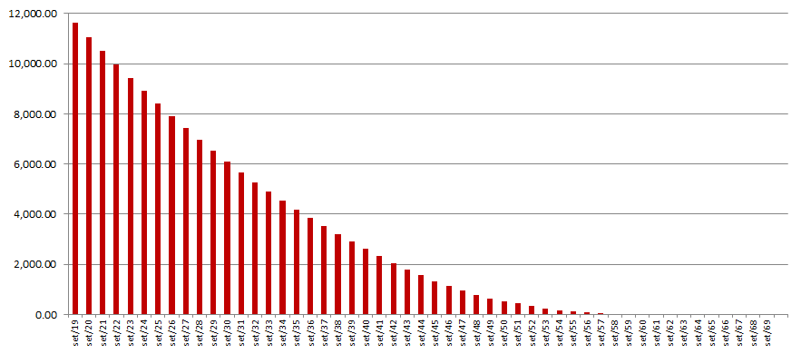
 |  |  | 2019-09-30 | 11,619,629,883
 |  |  | 2020-09-30 | 11,069,138,307
 |  |  | 2021-09-30 | 10,511,195,666
 |  |  | 2022-09-30 | 9,962,159,430
 |  |  | 2023-09-30 | 9,425,238,464
 |  |  | 2024-09-30 | 8,902,753,743
 |  |  | 2025-09-30 | 8,395,110,632
 |  |  | 2030-09-30 | 6,087,593,653
 |  |  | 2035-09-30 | 4,190,673,454
 |  |  | 2040-09-30 | 2,607,249,631
 |  |  | 2045-09-30 | 1,334,971,150
 |  |  | 2050-09-30 | 538,632,381
 |  |  | 2055-09-30 | 130,346,053
 |  |  | 2060-09-30 | 5,930,358
 |  |  | 2065-09-30 | 766,126
 |  |  | 2070-09-30 | 0
 |  |  | 2075-09-30 | 0
 |  |  | 2080-09-30 | 0
 |  |  | 2085-09-30 | 0
b Includes mortgage pool and other assets; assumes no prepayments (constant prepayment rate of 0%)

