D. Nat Trans Templ (2)
 |  |  | Report Reference Date: | 2021-03-31
 |  |  | Report Frequency: | Quarterly
6. Mortgage Credit Pool (continued)
Seasoning | Number of Loans | % Total Loans | Amount of Loans | % Total Amount
Up to 1 year | 8,538 | 3.98% | 991,404,378 | 8.47%
1 to 2 years | 11,300 | 5.27% | 1,158,494,000 | 9.90%
2 to 3 years | 11,843 | 5.52% | 1,167,531,131 | 9.97%
3 to 4 years | 9,599 | 4.48% | 869,066,829 | 7.42%
4 to 5 years | 6,600 | 3.08% | 493,162,509 | 4.21%
5 to 6 years | 5,112 | 2.38% | 332,930,709 | 2.84%
6 to 7 years | 3,334 | 1.55% | 189,726,775 | 1.62%
7 to 8 years | 3,484 | 1.62% | 164,406,659 | 1.40%
8 to 9 years | 3,333 | 1.55% | 140,259,864 | 1.20%
9 to 10 years | 2,926 | 1.36% | 152,538,825 | 1.30%
10 to 11 years | 8,616 | 4.02% | 501,254,488 | 4.28%
11 to 12 years | 9,604 | 4.48% | 503,107,837 | 4.30%
More than 12 years | 130,204 | 60.70% | 5,040,845,751 | 43.07%
Remaining Term | Number of Loans | % Total Loans | Amount of Loans | % Total Amount
Up to 5 years | 18,048 | 8.41% | 156,380,437 | 1.34%
5 to 8 years | 14,777 | 6.89% | 304,519,853 | 2.60%
8 to 10 years | 12,844 | 5.99% | 351,265,453 | 3.00%
10 to 12 years | 12,850 | 5.99% | 418,536,813 | 3.58%
12 to 14 years | 10,544 | 4.92% | 407,830,139 | 3.48%
14 to 16 years | 10,756 | 5.01% | 470,116,472 | 4.02%
16 to 18 years | 10,193 | 4.75% | 530,068,072 | 4.53%
18 to 20 years | 10,557 | 4.92% | 598,371,491 | 5.11%
20 to 22 years | 9,832 | 4.58% | 565,991,378 | 4.84%
22 to 24 years | 13,002 | 6.06% | 752,513,457 | 6.43%
24 to 26 years | 14,498 | 6.76% | 922,231,937 | 7.88%
26 to 28 years | 14,171 | 6.61% | 1,005,819,777 | 8.59%
28 to 30 years | 15,933 | 7.43% | 1,252,132,997 | 10.70%
30 to 40 years | 45,426 | 21.18% | 3,857,373,827 | 32.96%
More than 40 years | 1,062 | 0.50% | 111,577,651 | 0.95%
Current Unindexed LTV | Number of Loans | % Total Loans | Amount of Loans | % Total Amount
Up to 40% | 96,395 | 44.94% | 3,194,050,216 | 27.29%
40 to 50% | 31,203 | 14.55% | 1,864,423,704 | 15.93%
50 to 60% | 32,483 | 15.14% | 2,176,042,314 | 18.59%
60 to 70% | 31,615 | 14.74% | 2,388,554,490 | 20.41%
70 to 80% | 22,796 | 10.63% | 2,081,659,030 | 17.78%
More than 80% | 0 | 0.00% | 0 | 0.00%
Loan Purpose | Number of Loans | % Total Loans | Amount of Loans | % Total Amount
Owner-occupied | 198,734 | 92.65% | 10,439,939,200 | 89.19%
Second Home | 15,613 | 7.28% | 1,256,041,362 | 10.73%
Buy to Let | 0 | 0.00% | 0 | 0.00%
Other | 146 | 0.07% | 8,749,191 | 0.07%
Property Type | Number of Loans | % Total Loans | Amount of Loans | % Total Amount
Residential | 214,493 | 100.00% | 11,704,729,753 | 100.00%
Flat | 135,156 | 63.01% | 7,024,341,255 | 60.01%
House | 79,337 | 36.99% | 4,680,388,498 | 39.99%
Other | 0 | 0.00% | 0 | 0.00%
Commercial | 0 | 0.00% | 0 | 0.00%
Geographical Distribution | Number of Loans | % Total Loans | Amount of Loans | % Total Amount
Portugal | 214,493 | 100.00% | 11,704,729,753 | 100.00%
Norte | 69,266 | 32.29% | 3,467,780,297 | 29.63%
Center | 37,944 | 17.69% | 1,682,669,082 | 14.38%
Lisbon | 80,760 | 37.65% | 5,035,148,602 | 43.02%
Alentejo | 8,028 | 3.74% | 333,936,844 | 2.85%
Algarve | 10,816 | 5.04% | 761,733,182 | 6.51%
Madeira | 4,377 | 2.04% | 248,807,746 | 2.13%
Azores | 3,302 | 1.54% | 174,654,000 | 1.49%
Delinquencies7 | Number of Loans | % Total Loans | Amount of Loans | % Total Amount
> 30 to 60 days | 150 | 0.07% | 7,522,116 | 0.06%
> 60 to 90 days | 54 | 0.03% | 2,228,160 | 0.02%
> 90 days | 0 | 0.00% | 0 | 0.00%
Projected Outstanding Amountb |  |  | Amortisation Profile__ | Principal Balance
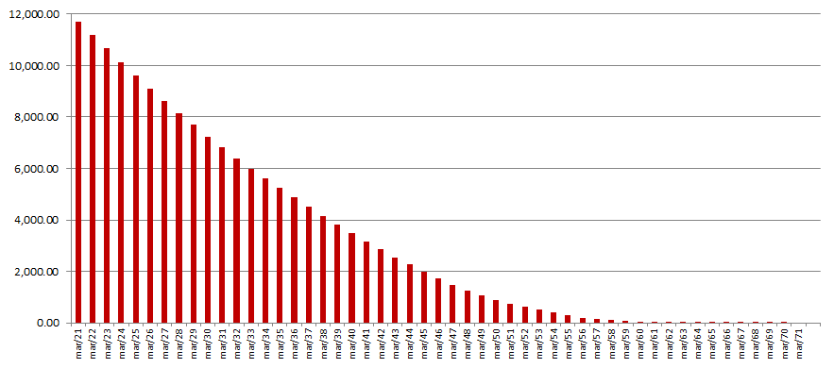
 |  |  | 2021-03-31 | 11,704,729,753
 |  |  | 2022-03-31 | 11,195,016,436
 |  |  | 2023-03-31 | 10,656,354,628
 |  |  | 2024-03-31 | 10,127,606,526
 |  |  | 2025-03-31 | 9,612,115,792
 |  |  | 2030-03-31 | 7,243,017,178
 |  |  | 2035-03-31 | 5,234,975,128
 |  |  | 2040-03-31 | 3,484,494,998
 |  |  | 2045-03-31 | 1,990,741,111
 |  |  | 2050-03-31 | 885,997,239
 |  |  | 2055-03-31 | 301,868,102
 |  |  | 2060-03-31 | 46,932,018
 |  |  | 2065-03-31 | 2,763,317
 |  |  | 2070-03-31 | 195,870
 |  |  | 2071-03-31 | 0
 |  |  | 2075-03-31 | 0
 |  |  | 2080-03-31 | 0
 |  |  | 2085-03-31 | 0
 |  |  | 2089-03-31 | 0
b Includes mortgage pool and other assets; assumes no prepayments (constant prepayment rate of 0%)

