D. Nat Trans Templ (2)
 |  |  | Report Reference Date: | 2021-12-31
 |  |  | Report Frequency: | Quarterly
6. Mortgage Credit Pool (continued)
Seasoning | Number of Loans | % Total Loans | Amount of Loans | % Total Amount
Up to 1 year | 10,291 | 5.11% | 1,249,921,550 | 10.51%
1 to 2 years | 9,676 | 4.80% | 1,068,438,677 | 8.98%
2 to 3 years | 10,727 | 5.32% | 1,070,032,806 | 8.99%
3 to 4 years | 11,034 | 5.47% | 1,064,894,675 | 8.95%
4 to 5 years | 8,433 | 4.18% | 715,281,122 | 6.01%
5 to 6 years | 5,762 | 2.86% | 411,138,691 | 3.46%
6 to 7 years | 4,258 | 2.11% | 275,084,304 | 2.31%
7 to 8 years | 2,859 | 1.42% | 153,765,469 | 1.29%
8 to 9 years | 3,963 | 1.97% | 178,381,168 | 1.50%
9 to 10 years | 2,117 | 1.05% | 89,694,830 | 0.75%
10 to 11 years | 3,508 | 1.74% | 191,680,405 | 1.61%
11 to 12 years | 8,800 | 4.37% | 508,873,934 | 4.28%
More than 12 years | 120,149 | 59.60% | 4,919,500,281 | 41.35%
Remaining Term | Number of Loans | % Total Loans | Amount of Loans | % Total Amount
Up to 5 years | 15,876 | 7.88% | 140,610,077 | 1.18%
5 to 8 years | 14,536 | 7.21% | 298,780,714 | 2.51%
8 to 10 years | 10,801 | 5.36% | 315,668,726 | 2.65%
10 to 12 years | 10,554 | 5.24% | 355,099,440 | 2.98%
12 to 14 years | 9,150 | 4.54% | 371,991,078 | 3.13%
14 to 16 years | 9,573 | 4.75% | 447,039,302 | 3.76%
16 to 18 years | 9,407 | 4.67% | 515,226,079 | 4.33%
18 to 20 years | 10,065 | 4.99% | 596,149,484 | 5.01%
20 to 22 years | 10,304 | 5.11% | 617,152,964 | 5.19%
22 to 24 years | 12,157 | 6.03% | 762,686,728 | 6.41%
24 to 26 years | 14,613 | 7.25% | 998,350,287 | 8.39%
26 to 28 years | 13,857 | 6.87% | 1,069,103,493 | 8.99%
28 to 30 years | 15,854 | 7.86% | 1,329,136,276 | 11.17%
30 to 40 years | 44,172 | 21.91% | 4,012,617,464 | 33.73%
More than 40 years | 658 | 0.33% | 67,075,800 | 0.56%
Current Unindexed LTV | Number of Loans | % Total Loans | Amount of Loans | % Total Amount
Up to 40% | 90,221 | 44.76% | 3,152,292,230 | 26.50%
40 to 50% | 29,084 | 14.43% | 1,866,429,036 | 15.69%
50 to 60% | 30,473 | 15.12% | 2,199,969,155 | 18.49%
60 to 70% | 29,370 | 14.57% | 2,434,816,743 | 20.47%
70 to 80% | 22,429 | 11.13% | 2,243,180,749 | 18.86%
More than 80% | 0 | 0.00% | 0 | 0.00%
Loan Purpose | Number of Loans | % Total Loans | Amount of Loans | % Total Amount
Owner-occupied | 185,306 | 91.93% | 10,525,094,376 | 88.47%
Second Home | 16,208 | 8.04% | 1,363,049,493 | 11.46%
Buy to Let | 0 | 0.00% | 0 | 0.00%
Other | 63 | 0.03% | 8,544,044 | 0.07%
Property Type | Number of Loans | % Total Loans | Amount of Loans | % Total Amount
Residential | 201,577 | 100.00% | 11,896,687,913 | 100.00%
Flat | 127,781 | 63.39% | 7,206,424,649 | 60.58%
House | 73,796 | 36.61% | 4,690,263,263 | 39.42%
Other | 0 | 0.00% | 0 | 0.00%
Commercial | 0 | 0.00% | 0 | 0.00%
Geographical Distribution | Number of Loans | % Total Loans | Amount of Loans | % Total Amount
Portugal | 201,577 | 100.00% | 11,896,687,913 | 100.00%
Norte | 64,405 | 31.95% | 3,465,812,919 | 29.13%
Center | 34,898 | 17.31% | 1,670,740,329 | 14.04%
Lisbon | 77,636 | 38.51% | 5,243,184,015 | 44.07%
Alentejo | 7,471 | 3.71% | 329,240,095 | 2.77%
Algarve | 10,233 | 5.08% | 781,966,344 | 6.57%
Madeira | 3,894 | 1.93% | 235,092,764 | 1.98%
Azores | 3,040 | 1.51% | 170,651,448 | 1.43%
Delinquencies7 | Number of Loans | % Total Loans | Amount of Loans | % Total Amount
> 30 to 60 days | 244 | 0.12% | 9,154,966 | 0.08%
> 60 to 90 days | 106 | 0.05% | 3,383,216 | 0.03%
> 90 days | 0 | 0.00% | 0 | 0.00%
Projected Outstanding Amountb |  |  | Amortisation Profile__ | Principal Balance
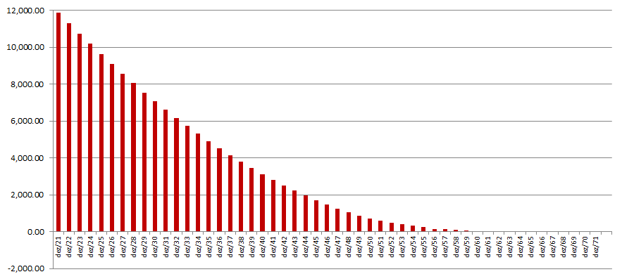
 |  |  | 2021-12-31 | 11,896,687,913
 |  |  | 2022-12-31 | 11,321,812,379
 |  |  | 2023-12-31 | 10,748,352,387
 |  |  | 2024-12-31 | 10,185,155,236
 |  |  | 2025-12-31 | 9,633,762,569
 |  |  | 2030-12-31 | 7,070,274,285
 |  |  | 2035-12-31 | 4,910,447,557
 |  |  | 2040-12-31 | 3,118,446,731
 |  |  | 2045-12-31 | 1,699,670,339
 |  |  | 2050-12-31 | 721,157,147
 |  |  | 2055-12-31 | 240,339,775
 |  |  | 2060-12-31 | 34,594,486
 |  |  | 2065-12-31 | 1,381,200
 |  |  | 2070-12-31 | 91,345
 |  |  | 2075-12-31 | 0
 |  |  | 2080-12-31 | 0
 |  |  | 2085-12-31 | 0
 |  |  | 2090-12-31 | 0
 |  |  | 2095-12-31 | 0
b Includes mortgage pool and other assets; assumes no prepayments (constant prepayment rate of 0%)

