D. Nat Trans Templ(2)
 |  |  | Report Reference Date: | 2022-03-31
 |  |  | Report Frequency: | Quarterly
6. Mortgage Credit Pool (continued)
Seasoning | Number of Loans | % Total Loans | Amount of Loans | % Total Amount
Up to 1 year | 11,238 | 5.58% | 1,371,076,926 | 11.39%
1 to 2 years | 10,126 | 5.03% | 1,157,415,765 | 9.62%
2 to 3 years | 10,139 | 5.04% | 1,009,458,471 | 8.39%
3 to 4 years | 11,053 | 5.49% | 1,059,723,178 | 8.81%
4 to 5 years | 8,906 | 4.42% | 787,017,753 | 6.54%
5 to 6 years | 6,056 | 3.01% | 443,719,175 | 3.69%
6 to 7 years | 4,594 | 2.28% | 297,416,095 | 2.47%
7 to 8 years | 2,971 | 1.48% | 168,377,792 | 1.40%
8 to 9 years | 3,149 | 1.56% | 147,543,075 | 1.23%
9 to 10 years | 2,988 | 1.48% | 122,710,313 | 1.02%
10 to 11 years | 2,640 | 1.31% | 138,137,302 | 1.15%
11 to 12 years | 7,885 | 3.92% | 454,125,856 | 3.77%
More than 12 years | 119,578 | 59.40% | 4,876,982,050 | 40.53%
Remaining Term | Number of Loans | % Total Loans | Amount of Loans | % Total Amount
Up to 5 years | 15,762 | 7.83% | 137,998,422 | 1.15%
5 to 8 years | 14,678 | 7.29% | 301,752,790 | 2.51%
8 to 10 years | 10,786 | 5.36% | 315,446,068 | 2.62%
10 to 12 years | 10,076 | 5.00% | 342,050,717 | 2.84%
12 to 14 years | 9,222 | 4.58% | 372,924,709 | 3.10%
14 to 16 years | 9,445 | 4.69% | 450,985,570 | 3.75%
16 to 18 years | 9,386 | 4.66% | 519,347,258 | 4.32%
18 to 20 years | 10,009 | 4.97% | 599,322,381 | 4.98%
20 to 22 years | 10,489 | 5.21% | 623,180,116 | 5.18%
22 to 24 years | 12,673 | 6.29% | 804,564,271 | 6.69%
24 to 26 years | 14,525 | 7.21% | 1,018,356,100 | 8.46%
26 to 28 years | 14,214 | 7.06% | 1,110,356,503 | 9.23%
28 to 30 years | 15,475 | 7.69% | 1,313,970,682 | 10.92%
30 to 40 years | 43,977 | 21.84% | 4,062,812,637 | 33.76%
More than 40 years | 606 | 0.30% | 60,635,528 | 0.50%
Current Unindexed LTV | Number of Loans | % Total Loans | Amount of Loans | % Total Amount
Up to 40% | 90,272 | 44.84% | 3,179,134,822 | 26.42%
40 to 50% | 29,341 | 14.57% | 1,903,066,922 | 15.81%
50 to 60% | 30,561 | 15.18% | 2,237,733,331 | 18.60%
60 to 70% | 29,382 | 14.59% | 2,473,558,535 | 20.56%
70 to 80% | 21,767 | 10.81% | 2,240,210,142 | 18.62%
More than 80% | 0 | 0.00% | 0 | 0.00%
Loan Purpose | Number of Loans | % Total Loans | Amount of Loans | % Total Amount
Owner-occupied | 184,754 | 91.77% | 10,619,156,934 | 88.25%
Second Home | 16,497 | 8.19% | 1,405,411,590 | 11.68%
Buy to Let | 0 | 0.00% | 0 | 0.00%
Other | 72 | 0.04% | 9,135,229 | 0.08%
Property Type | Number of Loans | % Total Loans | Amount of Loans | % Total Amount
Residential | 201,323 | 100.00% | 12,033,703,752 | 100.00%
Flat | 127,639 | 63.40% | 7,302,925,139 | 60.69%
House | 73,684 | 36.60% | 4,730,778,614 | 39.31%
Other | 0 | 0.00% | 0 | 0.00%
Commercial | 0 | 0.00% | 0 | 0.00%
Geographical Distribution | Number of Loans | % Total Loans | Amount of Loans | % Total Amount
Portugal | 201,323 | 100.00% | 12,033,703,752 | 100.00%
Norte | 64,215 | 31.90% | 3,491,025,987 | 29.01%
Center | 34,840 | 17.31% | 1,685,151,771 | 14.00%
Lisbon | 77,689 | 38.59% | 5,326,975,400 | 44.27%
Alentejo | 7,440 | 3.70% | 329,416,531 | 2.74%
Algarve | 10,230 | 5.08% | 792,202,884 | 6.58%
Madeira | 3,859 | 1.92% | 237,402,375 | 1.97%
Azores | 3,050 | 1.51% | 171,528,805 | 1.43%
Delinquencies7 | Number of Loans | % Total Loans | Amount of Loans | % Total Amount
> 30 to 60 days | 244 | 0.12% | 9,154,966 | 0.08%
> 60 to 90 days | 106 | 0.05% | 3,383,216 | 0.03%
> 90 days | 0 | 0.00% | 0 | 0.00%
Projected Outstanding Amountb |  |  | Amortisation Profile__ | Principal Balance
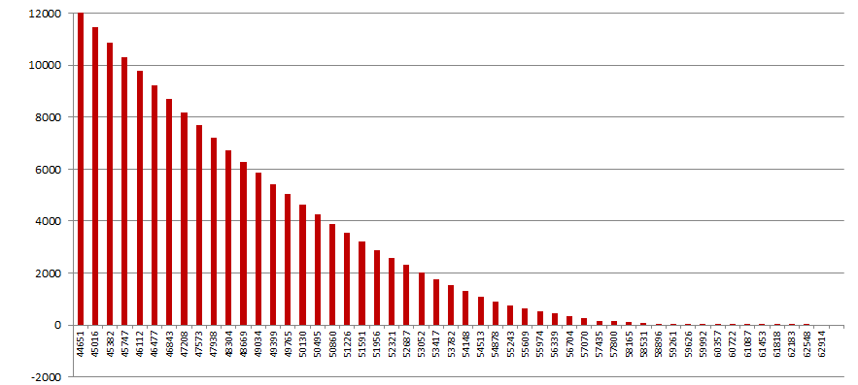
 |  |  | 2022-03-31 | 12,033,703,752
 |  |  | 2023-03-31 | 11,452,035,393
 |  |  | 2024-03-31 | 10,878,720,007
 |  |  | 2025-03-31 | 10,315,989,695
 |  |  | 2030-03-31 | 7,678,451,419
 |  |  | 2035-03-31 | 5,431,366,822
 |  |  | 2040-03-31 | 3,547,463,336
 |  |  | 2045-03-31 | 2,029,615,228
 |  |  | 2050-03-31 | 917,433,620
 |  |  | 2055-03-31 | 355,593,565
 |  |  | 2060-03-31 | 72,670,215
 |  |  | 2065-03-31 | 2,304,356
 |  |  | 2070-03-31 | 215,440
 |  |  | 2071-03-31 | 107,720
 |  |  | 2076-03-31 | 0
 |  |  | 2081-03-31 | 0
 |  |  | 2086-03-31 | 0
 |  |  | 2091-03-31 | 0
 |  |  | 2096-03-31 | 0
b Includes mortgage pool and other assets; assumes no prepayments (constant prepayment rate of 0%)

