D. Nat Trans Templ (2)
 |  |  | Report Reference Date: | 2022-06-30
 |  |  | Report Frequency: | Quarterly
6. Mortgage Credit Pool (continued)
Seasoning | Number of Loans | % Total Loans | Amount of Loans | % Total Amount
Up to 1 year | 8,408 | 4.33% | 999,819,305 | 8.90%
1 to 2 years | 10,378 | 5.34% | 1,147,636,449 | 10.22%
2 to 3 years | 8,912 | 4.59% | 864,182,031 | 7.69%
3 to 4 years | 10,153 | 5.23% | 938,682,620 | 8.36%
4 to 5 years | 9,130 | 4.70% | 804,915,327 | 7.17%
5 to 6 years | 6,104 | 3.14% | 448,541,752 | 3.99%
6 to 7 years | 4,734 | 2.44% | 302,208,659 | 2.69%
7 to 8 years | 3,109 | 1.60% | 178,215,995 | 1.59%
8 to 9 years | 2,891 | 1.49% | 135,069,343 | 1.20%
9 to 10 years | 3,122 | 1.61% | 126,609,706 | 1.13%
10 to 11 years | 1,962 | 1.01% | 93,323,882 | 0.83%
11 to 12 years | 5,940 | 3.06% | 331,443,461 | 2.95%
More than 12 years | 119,437 | 61.48% | 4,862,977,559 | 43.29%
Remaining Term | Number of Loans | % Total Loans | Amount of Loans | % Total Amount
Up to 5 years | 15,623 | 8.04% | 136,187,284 | 1.21%
5 to 8 years | 14,737 | 7.59% | 297,488,986 | 2.65%
8 to 10 years | 10,485 | 5.40% | 296,635,778 | 2.64%
10 to 12 years | 9,748 | 5.02% | 325,137,046 | 2.89%
12 to 14 years | 9,196 | 4.73% | 369,341,798 | 3.29%
14 to 16 years | 9,127 | 4.70% | 435,289,265 | 3.87%
16 to 18 years | 8,986 | 4.63% | 481,417,015 | 4.29%
18 to 20 years | 9,636 | 4.96% | 559,185,964 | 4.98%
20 to 22 years | 10,709 | 5.51% | 616,391,320 | 5.49%
22 to 24 years | 12,670 | 6.52% | 792,003,939 | 7.05%
24 to 26 years | 13,874 | 7.14% | 957,335,068 | 8.52%
26 to 28 years | 14,154 | 7.29% | 1,080,125,561 | 9.62%
28 to 30 years | 14,153 | 7.28% | 1,174,263,758 | 10.45%
30 to 40 years | 40,644 | 20.92% | 3,661,495,039 | 32.59%
More than 40 years | 538 | 0.28% | 51,328,268 | 0.46%
Current Unindexed LTV | Number of Loans | % Total Loans | Amount of Loans | % Total Amount
Up to 40% | 88,828 | 45.72% | 3,071,044,213 | 27.34%
40 to 50% | 28,594 | 14.72% | 1,809,265,533 | 16.11%
50 to 60% | 29,362 | 15.11% | 2,090,602,430 | 18.61%
60 to 70% | 27,973 | 14.40% | 2,283,371,785 | 20.33%
70 to 80% | 19,523 | 10.05% | 1,979,342,129 | 17.62%
More than 80% | 0 | 0.00% | 0 | 0.00%
Loan Purpose | Number of Loans | % Total Loans | Amount of Loans | % Total Amount
Owner-occupied | 178,427 | 91.84% | 9,945,079,687 | 88.53%
Second Home | 15,787 | 8.13% | 1,282,552,353 | 11.42%
Buy to Let | 0 | 0.00% | 0 | 0.00%
Other | 66 | 0.03% | 5,994,050 | 0.05%
Property Type | Number of Loans | % Total Loans | Amount of Loans | % Total Amount
Residential | 194,280 | 100.00% | 11,233,626,090 | 100.00%
Flat | 123,828 | 63.74% | 6,894,894,636 | 61.38%
House | 70,452 | 36.26% | 4,338,731,454 | 38.62%
Other | 0 | 0.00% | 0 | 0.00%
Commercial | 0 | 0.00% | 0 | 0.00%
Geographical Distribution | Number of Loans | % Total Loans | Amount of Loans | % Total Amount
Portugal | 194,280 | 100.00% | 11,233,626,090 | 100.00%
Norte | 61,678 | 31.75% | 3,245,077,550 | 28.89%
Center | 33,389 | 17.19% | 1,561,257,016 | 13.90%
Lisbon | 75,269 | 38.74% | 4,977,191,271 | 44.31%
Alentejo | 7,281 | 3.75% | 318,360,735 | 2.83%
Algarve | 9,886 | 5.09% | 737,085,437 | 6.56%
Madeira | 3,780 | 1.95% | 227,894,929 | 2.03%
Azores | 2,997 | 1.54% | 166,759,151 | 1.48%
Delinquencies7 | Number of Loans | % Total Loans | Amount of Loans | % Total Amount
> 30 to 60 days | 206 | 0.11% | 11,001,739 | 0.10%
> 60 to 90 days | 90 | 0.05% | 4,301,969 | 0.04%
> 90 days | 0 | 0.00% | 0 | 0.00%
Projected Outstanding Amountb |  |  | Amortisation Profile__ | Principal Balance
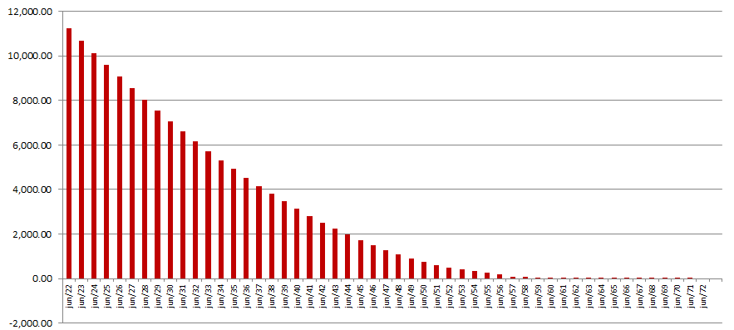
 |  |  | 2022-06-30 | 11,233,626,090
 |  |  | 2023-06-30 | 10,677,907,242
 |  |  | 2024-06-30 | 10,128,205,112
 |  |  | 2025-06-30 | 9,587,360,195
 |  |  | 2030-06-30 | 7,059,468,568
 |  |  | 2035-06-30 | 4,914,194,852
 |  |  | 2040-06-30 | 3,131,568,932
 |  |  | 2045-06-30 | 1,719,556,247
 |  |  | 2050-06-30 | 738,547,096
 |  |  | 2055-06-30 | 255,837,597
 |  |  | 2060-06-30 | 42,688,478
 |  |  | 2065-06-30 | 1,425,169
 |  |  | 2070-06-30 | 50,971
 |  |  | 2071-06-30 | 25,485
 |  |  | 2076-06-30 | 0
 |  |  | 2081-06-30 | 0
 |  |  | 2086-06-30 | 0
 |  |  | 2091-06-30 | 0
 |  |  | 2096-06-30 | 0
b Includes mortgage pool and other assets; assumes no prepayments (constant prepayment rate of 0%)

