D. Nat Trans Templ (2)
 |  |  | Report Reference Date: | 2022-09-30
 |  |  | Report Frequency: | Quarterly
6. Mortgage Credit Pool (continued)
Seasoning | Number of Loans | % Total Loans | Amount of Loans | % Total Amount
Up to 1 year | 5,060 | 2.68% | 600,090,720 | 5.55%
1 to 2 years | 11,100 | 5.87% | 1,240,331,698 | 11.46%
2 to 3 years | 8,437 | 4.47% | 832,087,492 | 7.69%
3 to 4 years | 9,672 | 5.12% | 890,505,317 | 8.23%
4 to 5 years | 9,528 | 5.04% | 853,355,282 | 7.89%
5 to 6 years | 6,559 | 3.47% | 502,652,763 | 4.65%
6 to 7 years | 4,906 | 2.60% | 317,816,615 | 2.94%
7 to 8 years | 3,423 | 1.81% | 197,886,592 | 1.83%
8 to 9 years | 2,694 | 1.43% | 127,192,760 | 1.18%
9 to 10 years | 3,251 | 1.72% | 137,931,673 | 1.27%
10 to 11 years | 1,857 | 0.98% | 80,587,217 | 0.74%
11 to 12 years | 4,288 | 2.27% | 231,833,721 | 2.14%
More than 12 years | 118,178 | 62.54% | 4,806,339,667 | 44.43%
Remaining Term | Number of Loans | % Total Loans | Amount of Loans | % Total Amount
Up to 5 years | 15,472 | 8.19% | 136,030,470 | 1.26%
5 to 8 years | 14,615 | 7.73% | 295,724,010 | 2.73%
8 to 10 years | 10,637 | 5.63% | 298,927,756 | 2.76%
10 to 12 years | 8,857 | 4.69% | 297,460,101 | 2.75%
12 to 14 years | 9,060 | 4.79% | 364,518,558 | 3.37%
14 to 16 years | 8,773 | 4.64% | 413,963,035 | 3.83%
16 to 18 years | 9,024 | 4.78% | 479,554,630 | 4.43%
18 to 20 years | 9,310 | 4.93% | 532,231,384 | 4.92%
20 to 22 years | 10,931 | 5.79% | 625,804,464 | 5.78%
22 to 24 years | 12,680 | 6.71% | 795,898,356 | 7.36%
24 to 26 years | 13,382 | 7.08% | 930,723,287 | 8.60%
26 to 28 years | 14,055 | 7.44% | 1,065,640,380 | 9.85%
28 to 30 years | 13,133 | 6.95% | 1,082,203,844 | 10.00%
30 to 40 years | 38,517 | 20.38% | 3,451,353,367 | 31.90%
More than 40 years | 507 | 0.27% | 48,577,877 | 0.45%
Current Unindexed LTV | Number of Loans | % Total Loans | Amount of Loans | % Total Amount
Up to 40% | 87,640 | 46.38% | 3,023,800,628 | 27.95%
40 to 50% | 27,979 | 14.81% | 1,763,683,258 | 16.30%
50 to 60% | 28,712 | 15.20% | 2,041,482,545 | 18.87%
60 to 70% | 27,024 | 14.30% | 2,210,672,704 | 20.43%
70 to 80% | 17,598 | 9.31% | 1,778,972,382 | 16.44%
More than 80% | 0 | 0.00% | 0 | 0.00%
Loan Purpose | Number of Loans | % Total Loans | Amount of Loans | % Total Amount
Owner-occupied | 173,587 | 91.87% | 9,588,620,907 | 88.63%
Second Home | 15,309 | 8.10% | 1,224,711,618 | 11.32%
Buy to Let | 0 | 0.00% | 0 | 0.00%
Other | 57 | 0.03% | 5,278,992 | 0.05%
Property Type | Number of Loans | % Total Loans | Amount of Loans | % Total Amount
Residential | 188,953 | 100.00% | 10,818,611,517 | 100.00%
Flat | 120,402 | 63.72% | 6,639,659,096 | 61.37%
House | 68,551 | 36.28% | 4,178,952,421 | 38.63%
Other | 0 | 0.00% | 0 | 0.00%
Commercial | 0 | 0.00% | 0 | 0.00%
Geographical Distribution | Number of Loans | % Total Loans | Amount of Loans | % Total Amount
Portugal | 188,953 | 100.00% | 10,818,611,517 | 100.00%
Norte | 59,986 | 31.75% | 3,126,714,835 | 28.90%
Center | 32,376 | 17.13% | 1,501,758,321 | 13.88%
Lisbon | 73,302 | 38.79% | 4,795,165,882 | 44.32%
Alentejo | 7,083 | 3.75% | 307,640,597 | 2.84%
Algarve | 9,604 | 5.08% | 706,692,663 | 6.53%
Madeira | 3,687 | 1.95% | 219,603,638 | 2.03%
Azores | 2,915 | 1.54% | 161,035,580 | 1.49%
Delinquencies7 | Number of Loans | % Total Loans | Amount of Loans | % Total Amount
> 30 to 60 days | 198 | 0.10% | 10,810,810 | 0.10%
> 60 to 90 days | 65 | 0.03% | 3,125,212 | 0.03%
> 90 days | 0 | 0.00% | 0 | 0.00%
Projected Outstanding Amountb |  |  | Amortisation Profile__ | Principal Balance
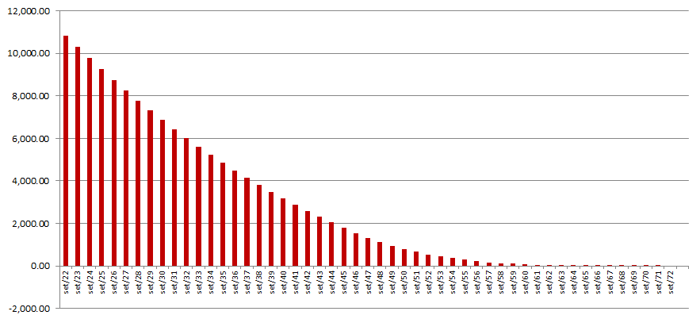
 |  |  | 2022-09-30 | 10,818,611,517
 |  |  | 2023-09-30 | 10,285,667,177
 |  |  | 2024-09-30 | 9,763,494,072
 |  |  | 2025-09-30 | 9,251,352,217
 |  |  | 2030-09-30 | 6,864,264,364
 |  |  | 2035-09-30 | 4,846,542,761
 |  |  | 2040-09-30 | 3,162,136,692
 |  |  | 2045-09-30 | 1,801,565,118
 |  |  | 2050-09-30 | 793,638,846
 |  |  | 2055-09-30 | 320,427,882
 |  |  | 2060-09-30 | 69,557,359
 |  |  | 2065-09-30 | 1,744,576
 |  |  | 2070-09-30 | 118,734
 |  |  | 2071-09-30 | 59,367
 |  |  | 2072-09-30 | 0
 |  |  | 2073-09-30 | 0
 |  |  | 2075-09-30 | 0
 |  |  | 2080-09-30 | 0
 |  |  | 2085-09-30 | 0
b Includes mortgage pool and other assets; assumes no prepayments (constant prepayment rate of 0%)

