D. Nat Trans Templ (2)
 |  |  | Report Reference Date: | 2022-12-30
 |  |  | Report Frequency: | Quarterly
6. Mortgage Credit Pool (continued)
Seasoning | Number of Loans | % Total Loans | Amount of Loans | % Total Amount
Up to 1 year | 3,627 | 1.96% | 445,535,582 | 4.20%
1 to 2 years | 11,142 | 6.02% | 1,260,182,544 | 11.87%
2 to 3 years | 8,406 | 4.54% | 847,241,153 | 7.98%
3 to 4 years | 9,257 | 5.00% | 853,059,777 | 8.04%
4 to 5 years | 9,529 | 5.15% | 852,035,422 | 8.03%
5 to 6 years | 7,306 | 3.95% | 577,837,656 | 5.44%
6 to 7 years | 5,025 | 2.72% | 336,168,259 | 3.17%
7 to 8 years | 3,734 | 2.02% | 226,626,025 | 2.14%
8 to 9 years | 2,495 | 1.35% | 125,703,549 | 1.18%
9 to 10 years | 3,469 | 1.87% | 147,331,997 | 1.39%
10 to 11 years | 1,852 | 1.00% | 74,660,901 | 0.70%
11 to 12 years | 3,111 | 1.68% | 162,086,674 | 1.53%
More than 12 years | 116,068 | 62.73% | 4,705,119,505 | 44.33%
Remaining Term | Number of Loans | % Total Loans | Amount of Loans | % Total Amount
Up to 5 years | 15,170 | 8.20% | 134,697,007 | 1.27%
5 to 8 years | 14,449 | 7.81% | 292,451,302 | 2.76%
8 to 10 years | 10,337 | 5.59% | 285,066,222 | 2.69%
10 to 12 years | 8,409 | 4.54% | 283,032,256 | 2.67%
12 to 14 years | 9,104 | 4.92% | 367,970,395 | 3.47%
14 to 16 years | 8,558 | 4.63% | 410,920,934 | 3.87%
16 to 18 years | 8,852 | 4.78% | 465,777,191 | 4.39%
18 to 20 years | 9,034 | 4.88% | 516,560,849 | 4.87%
20 to 22 years | 11,161 | 6.03% | 633,922,333 | 5.97%
22 to 24 years | 12,734 | 6.88% | 806,593,000 | 7.60%
24 to 26 years | 13,106 | 7.08% | 919,730,692 | 8.67%
26 to 28 years | 14,188 | 7.67% | 1,086,392,868 | 10.24%
28 to 30 years | 12,261 | 6.63% | 1,016,592,863 | 9.58%
30 to 40 years | 37,175 | 20.09% | 3,347,142,629 | 31.54%
More than 40 years | 483 | 0.26% | 46,738,505 | 0.44%
Current Unindexed LTV | Number of Loans | % Total Loans | Amount of Loans | % Total Amount
Up to 40% | 86,398 | 46.70% | 2,989,143,554 | 28.16%
40 to 50% | 27,602 | 14.92% | 1,737,683,481 | 16.37%
50 to 60% | 28,263 | 15.28% | 2,026,001,229 | 19.09%
60 to 70% | 26,331 | 14.23% | 2,172,672,823 | 20.47%
70 to 80% | 16,427 | 8.88% | 1,688,087,958 | 15.90%
More than 80% | 0 | 0.00% | 0 | 0.00%
Loan Purpose | Number of Loans | % Total Loans | Amount of Loans | % Total Amount
Owner-occupied | 169,827 | 91.79% | 9,393,593,871 | 88.51%
Second Home | 15,140 | 8.18% | 1,215,016,714 | 11.45%
Buy to Let | 0 | 0.00% | 0 | 0.00%
Other | 54 | 0.03% | 4,978,459 | 0.05%
Property Type | Number of Loans | % Total Loans | Amount of Loans | % Total Amount
Residential | 185,021 | 100.00% | 10,613,589,044 | 100.00%
Flat | 117,708 | 63.62% | 6,510,480,537 | 61.34%
House | 67,313 | 36.38% | 4,103,108,507 | 38.66%
Other | 0 | 0.00% | 0 | 0.00%
Commercial | 0 | 0.00% | 0 | 0.00%
Geographical Distribution | Number of Loans | % Total Loans | Amount of Loans | % Total Amount
Portugal | 185,021 | 100.00% | 10,613,589,044 | 100.00%
Norte | 58,491 | 31.61% | 3,050,935,063 | 28.75%
Center | 31,664 | 17.11% | 1,469,995,956 | 13.85%
Lisbon | 71,939 | 38.88% | 4,716,668,911 | 44.44%
Alentejo | 6,962 | 3.76% | 302,773,550 | 2.85%
Algarve | 9,455 | 5.11% | 698,875,856 | 6.58%
Madeira | 3,641 | 1.97% | 216,624,254 | 2.04%
Azores | 2,869 | 1.55% | 157,715,456 | 1.49%
Delinquencies7 | Number of Loans | % Total Loans | Amount of Loans | % Total Amount
> 30 to 60 days | 221 | 0.12% | 14,683,150 | 0.14%
> 60 to 90 days | 62 | 0.03% | 3,405,931 | 0.03%
> 90 days | 0 | 0.00% | 0 | 0.00%
Projected Outstanding Amountb |  |  | Amortisation Profile__ | Principal Balance
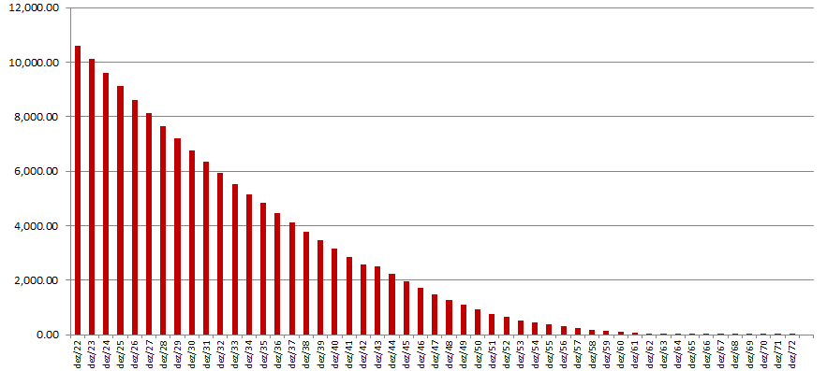
 |  |  | 2022-12-30 | 10,613,589,044
 |  |  | 2023-12-30 | 10,134,640,873
 |  |  | 2024-12-30 | 9,621,507,993
 |  |  | 2025-12-30 | 9,117,267,601
 |  |  | 2030-12-30 | 6,763,026,250
 |  |  | 2035-12-30 | 4,828,716,519
 |  |  | 2040-12-30 | 3,147,884,651
 |  |  | 2045-12-30 | 1,973,907,127
 |  |  | 2050-12-30 | 921,363,601
 |  |  | 2055-12-30 | 387,863,900
 |  |  | 2060-12-30 | 100,988,000
 |  |  | 2065-12-30 | 2,304,063
 |  |  | 2070-12-30 | 165,716
 |  |  | 2071-12-30 | 110,477
 |  |  | 2072-12-30 | 55,239
 |  |  | 2073-12-30 | 0
 |  |  | 2075-12-30 | 0
 |  |  | 2080-12-30 | 0
 |  |  | 2085-12-30 | 0
b Includes mortgage pool and other assets; assumes no prepayments (constant prepayment rate of 0%)

