D. Nat Trans Templ (2)
 |  |  | Report Reference Date: | 2023-06-30
 |  |  | Report Frequency: | Quarterly
6. Mortgage Credit Pool (continued)
Seasoning | Number of Loans | % Total Loans | Amount of Loans | % Total Amount
Up to 1 year | 8,648 | 4.63% | 1,148,895,398 | 10.15%
1 to 2 years | 11,509 | 6.16% | 1,349,163,182 | 11.91%
2 to 3 years | 9,532 | 5.11% | 998,264,959 | 8.82%
3 to 4 years | 8,114 | 4.35% | 745,400,328 | 6.58%
4 to 5 years | 9,164 | 4.91% | 804,518,610 | 7.10%
5 to 6 years | 8,193 | 4.39% | 683,045,190 | 6.03%
6 to 7 years | 5,424 | 2.91% | 378,665,132 | 3.34%
7 to 8 years | 4,235 | 2.27% | 258,431,641 | 2.28%
8 to 9 years | 2,768 | 1.48% | 151,591,688 | 1.34%
9 to 10 years | 2,548 | 1.36% | 115,104,731 | 1.02%
10 to 11 years | 2,772 | 1.48% | 108,236,503 | 0.96%
11 to 12 years | 1,771 | 0.95% | 81,379,216 | 0.72%
More than 12 years | 112,016 | 60.00% | 4,500,995,319 | 39.75%
Remaining Term | Number of Loans | % Total Loans | Amount of Loans | % Total Amount
Up to 5 years | 14,701 | 7.87% | 133,639,604 | 1.18%
5 to 8 years | 14,209 | 7.61% | 291,234,965 | 2.57%
8 to 10 years | 9,795 | 5.25% | 279,460,790 | 2.47%
10 to 12 years | 8,141 | 4.36% | 285,127,280 | 2.52%
12 to 14 years | 8,961 | 4.80% | 375,582,134 | 3.32%
14 to 16 years | 8,700 | 4.66% | 442,116,628 | 3.90%
16 to 18 years | 8,929 | 4.78% | 484,038,784 | 4.27%
18 to 20 years | 9,243 | 4.95% | 547,848,652 | 4.84%
20 to 22 years | 11,641 | 6.24% | 686,991,204 | 6.07%
22 to 24 years | 13,362 | 7.16% | 894,734,021 | 7.90%
24 to 26 years | 13,333 | 7.14% | 976,207,689 | 8.62%
26 to 28 years | 15,062 | 8.07% | 1,199,945,541 | 10.60%
28 to 30 years | 12,133 | 6.50% | 1,101,167,562 | 9.72%
30 to 40 years | 38,067 | 20.39% | 3,586,322,504 | 31.67%
More than 40 years | 417 | 0.22% | 39,274,542 | 0.35%
Current Unindexed LTV | Number of Loans | % Total Loans | Amount of Loans | % Total Amount
Up to 40% | 86,155 | 46.15% | 3,066,251,545 | 27.08%
40 to 50% | 27,934 | 14.96% | 1,827,915,927 | 16.14%
50 to 60% | 28,697 | 15.37% | 2,152,974,387 | 19.01%
60 to 70% | 26,906 | 14.41% | 2,369,186,859 | 20.92%
70 to 80% | 17,002 | 9.11% | 1,907,363,180 | 16.84%
More than 80% | 0 | 0.00% | 0 | 0.00%
Loan Purpose | Number of Loans | % Total Loans | Amount of Loans | % Total Amount
Owner-occupied | 170,544 | 91.35% | 9,937,215,629 | 87.76%
Second Home | 16,084 | 8.62% | 1,378,394,962 | 12.17%
Buy to Let | 0 | 0.00% | 0 | 0.00%
Other | 66 | 0.04% | 8,081,307 | 0.07%
Property Type | Number of Loans | % Total Loans | Amount of Loans | % Total Amount
Residential | 186,694 | 100.00% | 11,323,691,898 | 100.00%
Flat | 118,822 | 63.65% | 6,957,588,501 | 61.44%
House | 67,872 | 36.35% | 4,366,103,397 | 38.56%
Other | 0 | 0.00% | 0 | 0.00%
Commercial | 0 | 0.00% | 0 | 0.00%
Geographical Distribution | Number of Loans | % Total Loans | Amount of Loans | % Total Amount
Portugal | 186,694 | 100.00% | 11,323,691,898 | 100.00%
Norte | 58,596 | 31.39% | 3,213,009,991 | 28.37%
Center | 31,789 | 17.03% | 1,541,299,528 | 13.61%
Lisbon | 73,168 | 39.19% | 5,106,657,324 | 45.10%
Alentejo | 6,979 | 3.74% | 313,837,804 | 2.77%
Algarve | 9,625 | 5.16% | 760,845,785 | 6.72%
Madeira | 3,657 | 1.96% | 227,606,253 | 2.01%
Azores | 2,880 | 1.54% | 160,435,212 | 1.42%
Delinquencies7 | Number of Loans | % Total Loans | Amount of Loans | % Total Amount
> 30 to 60 days | 301 | 0.16% | 15,832,959 | 0.14%
> 60 to 90 days | 109 | 0.06% | 5,561,760 | 0.05%
> 90 days | 0 | 0.00% | 0 | 0.00%
Projected Outstanding Amountb |  |  | Amortisation Profile__ | Principal Balance
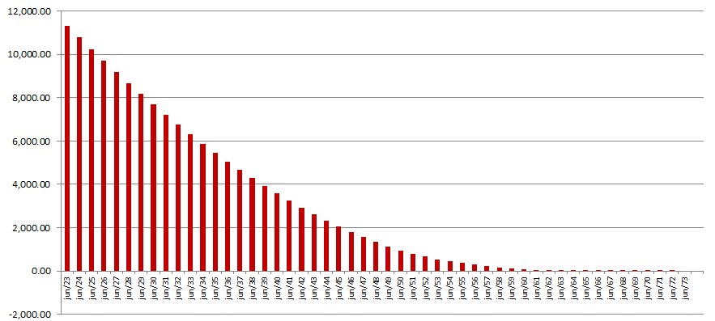
 |  |  | 2023-06-30 | 11,323,691,898
 |  |  | 2024-06-30 | 10,777,316,553
 |  |  | 2025-06-30 | 10,237,594,305
 |  |  | 2026-06-30 | 9,704,461,225
 |  |  | 2027-06-30 | 9,178,807,288
 |  |  | 2028-06-30 | 8,663,969,970
 |  |  | 2029-06-30 | 8,162,076,388
 |  |  | 2030-06-30 | 7,674,551,024
 |  |  | 2035-06-30 | 5,456,678,178
 |  |  | 2040-06-30 | 3,576,960,836
 |  |  | 2045-06-30 | 2,052,462,994
 |  |  | 2050-06-30 | 959,007,278
 |  |  | 2055-06-30 | 389,809,061
 |  |  | 2060-06-30 | 92,110,213
 |  |  | 2065-06-30 | 1,770,700
 |  |  | 2070-06-30 | 12,533
 |  |  | 2075-06-30 | 0
 |  |  | 2080-06-30 | 0
 |  |  | 2085-06-30 | 0
b Includes mortgage pool and other assets; assumes no prepayments (constant prepayment rate of 0%)

