D. Nat Trans Templ (2)
 |  |  | Report Reference Date: | 2024-09-30
 |  |  | Report Frequency: | Quarterly
6. Mortgage Credit Pool (continued)
Seasoning | Number of Loans | % Total Loans | Amount of Loans | % Total Amount
Up to 1 year | 498 | 0.28% | 55,995,161 | 0.52%
1 to 2 years | 7,866 | 4.44% | 974,088,887 | 8.97%
2 to 3 years | 10,456 | 5.90% | 1,227,713,995 | 11.30%
3 to 4 years | 11,176 | 6.30% | 1,174,212,696 | 10.81%
4 to 5 years | 8,923 | 5.03% | 836,552,326 | 7.70%
5 to 6 years | 9,391 | 5.30% | 804,125,424 | 7.40%
6 to 7 years | 8,403 | 4.74% | 685,415,486 | 6.31%
7 to 8 years | 5,611 | 3.16% | 394,482,063 | 3.63%
8 to 9 years | 4,171 | 2.35% | 252,864,595 | 2.33%
9 to 10 years | 2,919 | 1.65% | 157,876,673 | 1.45%
10 to 11 years | 2,188 | 1.23% | 99,026,781 | 0.91%
11 to 12 years | 2,711 | 1.53% | 106,246,520 | 0.98%
More than 12 years | 103,016 | 58.09% | 4,093,207,779 | 37.68%
Remaining Term | Number of Loans | % Total Loans | Amount of Loans | % Total Amount
Up to 5 years | 15,200 | 8.57% | 145,496,663 | 1.34%
5 to 8 years | 13,420 | 7.57% | 283,002,107 | 2.61%
8 to 10 years | 7,689 | 4.34% | 228,446,015 | 2.10%
10 to 12 years | 8,042 | 4.54% | 289,295,415 | 2.66%
12 to 14 years | 8,098 | 4.57% | 363,872,115 | 3.35%
14 to 16 years | 8,542 | 4.82% | 433,210,269 | 3.99%
16 to 18 years | 8,863 | 5.00% | 491,346,291 | 4.52%
18 to 20 years | 10,302 | 5.81% | 583,401,294 | 5.37%
20 to 22 years | 12,163 | 6.86% | 763,524,231 | 7.03%
22 to 24 years | 13,157 | 7.42% | 918,172,681 | 8.45%
24 to 26 years | 13,838 | 7.80% | 1,042,634,511 | 9.60%
26 to 28 years | 13,538 | 7.63% | 1,144,083,623 | 10.53%
28 to 30 years | 9,955 | 5.61% | 889,447,368 | 8.19%
30 to 40 years | 34,224 | 19.30% | 3,257,278,744 | 29.99%
More than 40 years | 298 | 0.17% | 28,597,059 | 0.26%
Current Unindexed LTV | Number of Loans | % Total Loans | Amount of Loans | % Total Amount
Up to 40% | 84,295 | 47.54% | 3,110,427,158 | 28.64%
40 to 50% | 26,506 | 14.95% | 1,774,374,386 | 16.34%
50 to 60% | 26,507 | 14.95% | 2,037,685,500 | 18.76%
60 to 70% | 23,921 | 13.49% | 2,176,817,420 | 20.04%
70 to 80% | 16,100 | 9.08% | 1,762,503,921 | 16.23%
More than 80% | 0 | 0.00% | 0 | 0.00%
Loan Purpose | Number of Loans | % Total Loans | Amount of Loans | % Total Amount
Owner-occupied | 162,087 | 91.40% | 9,566,627,417 | 88.08%
Second Home | 15,169 | 8.55% | 1,287,905,426 | 11.86%
Buy to Let | 0 | 0.00% | 0 | 0.00%
Other | 73 | 0.04% | 7,275,543 | 0.07%
Property Type | Number of Loans | % Total Loans | Amount of Loans | % Total Amount
Residential | 177,329 | 100.00% | 10,861,808,386 | 100.00%
Flat | 111,219 | 62.72% | 6,507,584,033 | 59.91%
House | 66,110 | 37.28% | 4,354,224,353 | 40.09%
Other | 0 | 0.00% | 0 | 0.00%
Commercial | 0 | 0.00% | 0 | 0.00%
Geographical Distribution | Number of Loans | % Total Loans | Amount of Loans | % Total Amount
Portugal | 177,329 | 100.00% | 10,861,808,386 | 100.00%
Norte | 55,678 | 31.40% | 3,110,990,445 | 28.64%
Center | 30,418 | 17.15% | 1,512,030,335 | 13.92%
Lisbon | 69,240 | 39.05% | 4,833,677,482 | 44.50%
Alentejo | 6,680 | 3.77% | 310,197,741 | 2.86%
Algarve | 9,048 | 5.10% | 721,218,720 | 6.64%
Madeira | 3,513 | 1.98% | 221,512,853 | 2.04%
Azores | 2,752 | 1.55% | 152,180,811 | 1.40%
Delinquencies7 | Number of Loans | % Total Loans | Amount of Loans | % Total Amount
> 30 to 60 days | 281 | 0.16% | 16,496,827 | 0.15%
> 60 to 90 days | 3 | 0.00% | 219,945 | 0.00%
> 90 days | 0 | 0.00% | 0 | 0.00%
Projected Outstanding Amountb |  |  | Amortisation Profile__ | Principal Balance
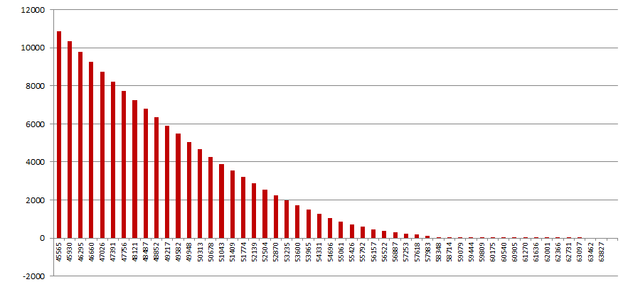
 |  |  | 2024-09-30 | 10,861,808,386
 |  |  | 2025-09-30 | 10,321,507,937
 |  |  | 2026-09-30 | 9,784,611,889
 |  |  | 2027-09-30 | 9,255,645,391
 |  |  | 2028-09-30 | 8,737,298,952
 |  |  | 2029-09-30 | 8,231,439,939
 |  |  | 2030-09-30 | 7,738,354,133
 |  |  | 2035-09-30 | 5,476,142,263
 |  |  | 2040-09-30 | 3,541,621,016
 |  |  | 2045-09-30 | 1,983,526,722
 |  |  | 2050-09-30 | 880,366,087
 |  |  | 2055-09-30 | 306,084,222
 |  |  | 2060-09-30 | 42,415,225
 |  |  | 2065-09-30 | 994,651
 |  |  | 2070-09-30 | 5,700
 |  |  | 2073-09-30 | 1,425
 |  |  | 2075-09-30 | 0
 |  |  | 2080-09-30 | 0
 |  |  | 2085-09-30 | 0
b Includes mortgage pool and other assets; assumes no prepayments (constant prepayment rate of 0%)

