D. Nat Trans Templ (2)
 |  |  | Report Reference Date: | 2024-12-31
 |  |  | Report Frequency: | Quarterly
6. Mortgage Credit Pool (continued)
Seasoning | Number of Loans | % Total Loans | Amount of Loans | % Total Amount
Up to 1 year | 488 | 0.27% | 59,560,191 | 0.54%
1 to 2 years | 5,650 | 3.18% | 686,302,280 | 6.28%
2 to 3 years | 10,043 | 5.65% | 1,223,962,022 | 11.20%
3 to 4 years | 11,599 | 6.52% | 1,262,338,797 | 11.55%
4 to 5 years | 8,779 | 4.94% | 856,157,178 | 7.83%
5 to 6 years | 9,485 | 5.33% | 827,041,813 | 7.57%
6 to 7 years | 8,657 | 4.87% | 724,059,350 | 6.62%
7 to 8 years | 6,228 | 3.50% | 450,245,940 | 4.12%
8 to 9 years | 4,223 | 2.37% | 261,073,997 | 2.39%
9 to 10 years | 3,193 | 1.80% | 184,302,734 | 1.69%
10 to 11 years | 2,081 | 1.17% | 99,622,892 | 0.91%
11 to 12 years | 2,822 | 1.59% | 112,655,921 | 1.03%
More than 12 years | 104,625 | 58.82% | 4,184,879,586 | 38.28%
Remaining Term | Number of Loans | % Total Loans | Amount of Loans | % Total Amount
Up to 5 years | 15,499 | 8.71% | 148,633,654 | 1.36%
5 to 8 years | 13,117 | 7.37% | 279,663,522 | 2.56%
8 to 10 years | 7,526 | 4.23% | 229,045,125 | 2.10%
10 to 12 years | 8,378 | 4.71% | 302,877,034 | 2.77%
12 to 14 years | 8,023 | 4.51% | 368,997,214 | 3.38%
14 to 16 years | 8,585 | 4.83% | 442,818,991 | 4.05%
16 to 18 years | 8,893 | 5.00% | 498,177,973 | 4.56%
18 to 20 years | 11,068 | 6.22% | 620,258,187 | 5.67%
20 to 22 years | 12,776 | 7.18% | 815,143,186 | 7.46%
22 to 24 years | 12,919 | 7.26% | 906,492,327 | 8.29%
24 to 26 years | 14,207 | 7.99% | 1,090,128,341 | 9.97%
26 to 28 years | 13,174 | 7.41% | 1,129,123,224 | 10.33%
28 to 30 years | 9,736 | 5.47% | 856,638,392 | 7.84%
30 to 40 years | 33,705 | 18.95% | 3,219,586,580 | 29.45%
More than 40 years | 267 | 0.15% | 24,618,952 | 0.23%
Current Unindexed LTV | Number of Loans | % Total Loans | Amount of Loans | % Total Amount
Up to 40% | 84,718 | 47.63% | 3,147,495,387 | 28.79%
40 to 50% | 26,736 | 15.03% | 1,807,000,489 | 16.53%
50 to 60% | 26,468 | 14.88% | 2,054,984,530 | 18.80%
60 to 70% | 23,549 | 13.24% | 2,138,351,077 | 19.56%
70 to 80% | 16,402 | 9.22% | 1,784,371,220 | 16.32%
More than 80% | 0 | 0.00% | 0 | 0.00%
Loan Purpose | Number of Loans | % Total Loans | Amount of Loans | % Total Amount
Owner-occupied | 162,881 | 91.57% | 9,639,040,276 | 88.17%
Second Home | 14,914 | 8.38% | 1,282,642,542 | 11.73%
Buy to Let | 0 | 0.00% | 0 | 0.00%
Other | 78 | 0.04% | 10,519,885 | 0.10%
Property Type | Number of Loans | % Total Loans | Amount of Loans | % Total Amount
Residential | 177,873 | 100.00% | 10,932,202,702 | 100.00%
Flat | 111,733 | 62.82% | 6,543,174,456 | 59.85%
House | 66,140 | 37.18% | 4,389,028,246 | 40.15%
Other | 0 | 0.00% | 0 | 0.00%
Commercial | 0 | 0.00% | 0 | 0.00%
Geographical Distribution | Number of Loans | % Total Loans | Amount of Loans | % Total Amount
Portugal | 177,873 | 100.00% | 10,932,202,702 | 100.00%
Norte | 55,737 | 31.34% | 3,117,853,506 | 28.52%
Center | 30,407 | 17.09% | 1,523,194,387 | 13.93%
Lisbon | 69,698 | 39.18% | 4,877,281,952 | 44.61%
Alentejo | 6,632 | 3.73% | 310,270,992 | 2.84%
Algarve | 9,076 | 5.10% | 725,650,507 | 6.64%
Madeira | 3,572 | 2.01% | 225,625,453 | 2.06%
Azores | 2,751 | 1.55% | 152,325,906 | 1.39%
Delinquencies7 | Number of Loans | % Total Loans | Amount of Loans | % Total Amount
> 30 to 60 days | 233 | 0.13% | 16,064,407 | 0.15%
> 60 to 90 days | 6 | 0.00% | 791,932 | 0.01%
> 90 days | 0 | 0.00% | 0 | 0.00%
Projected Outstanding Amountb |  |  | Amortisation Profile__ | Principal Balance
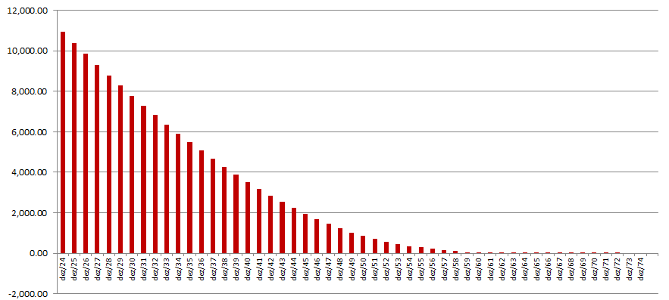
 |  |  | 2024-12-31 | 10,932,202,702
 |  |  | 2025-12-31 | 10,384,363,719
 |  |  | 2026-12-31 | 9,841,093,197
 |  |  | 2027-12-31 | 9,306,797,897
 |  |  | 2028-12-31 | 8,783,179,543
 |  |  | 2029-12-31 | 8,272,276,256
 |  |  | 2030-12-31 | 7,774,327,076
 |  |  | 2035-12-31 | 5,486,728,825
 |  |  | 2040-12-31 | 3,531,965,279
 |  |  | 2045-12-31 | 1,955,991,902
 |  |  | 2050-12-31 | 856,169,575
 |  |  | 2055-12-31 | 289,776,537
 |  |  | 2060-12-31 | 36,090,907
 |  |  | 2065-12-31 | 860,551
 |  |  | 2070-12-31 | 6,024
 |  |  | 2073-12-31 | 1,506
 |  |  | 2075-12-31 | 0
 |  |  | 2080-12-31 | 0
 |  |  | 2085-12-31 | 0
b Includes mortgage pool and other assets; assumes no prepayments (constant prepayment rate of 0%)

