D. Nat Trans Templ (2)
 |  |  | Report Reference Date: | 2025-03-31
 |  |  | Report Frequency: | Quarterly
6. Mortgage Credit Pool (continued)
Seasoning | Number of Loans | % Total Loans | Amount of Loans | % Total Amount
Up to 1 year | 404 | 0.23% | 48,194,263 | 0.44%
1 to 2 years | 5,728 | 3.19% | 693,133,449 | 6.29%
2 to 3 years | 9,353 | 5.21% | 1,151,404,248 | 10.45%
3 to 4 years | 11,642 | 6.49% | 1,283,819,455 | 11.65%
4 to 5 years | 8,855 | 4.93% | 886,553,574 | 8.04%
5 to 6 years | 9,352 | 5.21% | 832,603,601 | 7.55%
6 to 7 years | 8,822 | 4.91% | 733,310,508 | 6.65%
7 to 8 years | 6,668 | 3.71% | 500,253,283 | 4.54%
8 to 9 years | 4,429 | 2.47% | 281,681,774 | 2.56%
9 to 10 years | 3,356 | 1.87% | 192,429,082 | 1.75%
10 to 11 years | 2,177 | 1.21% | 110,426,530 | 1.00%
11 to 12 years | 2,171 | 1.21% | 91,615,284 | 0.83%
More than 12 years | 106,555 | 59.36% | 4,216,209,565 | 38.25%
Remaining Term | Number of Loans | % Total Loans | Amount of Loans | % Total Amount
Up to 5 years | 15,919 | 8.87% | 152,722,779 | 1.39%
5 to 8 years | 13,307 | 7.41% | 288,213,124 | 2.61%
8 to 10 years | 7,859 | 4.38% | 238,383,575 | 2.16%
10 to 12 years | 8,408 | 4.68% | 305,433,053 | 2.77%
12 to 14 years | 8,199 | 4.57% | 383,084,041 | 3.48%
14 to 16 years | 8,812 | 4.91% | 457,658,212 | 4.15%
16 to 18 years | 9,019 | 5.02% | 504,715,933 | 4.58%
18 to 20 years | 11,999 | 6.68% | 669,526,090 | 6.07%
20 to 22 years | 13,142 | 7.32% | 836,533,963 | 7.59%
22 to 24 years | 12,832 | 7.15% | 910,300,138 | 8.26%
24 to 26 years | 14,503 | 8.08% | 1,123,171,521 | 10.19%
26 to 28 years | 12,659 | 7.05% | 1,104,521,772 | 10.02%
28 to 30 years | 9,710 | 5.41% | 849,829,489 | 7.71%
30 to 40 years | 32,908 | 18.33% | 3,175,303,605 | 28.81%
More than 40 years | 236 | 0.13% | 22,237,321 | 0.20%
Current Unindexed LTV | Number of Loans | % Total Loans | Amount of Loans | % Total Amount
Up to 40% | 86,779 | 48.34% | 3,248,453,050 | 29.47%
40 to 50% | 27,021 | 15.05% | 1,826,185,667 | 16.57%
50 to 60% | 26,515 | 14.77% | 2,072,658,326 | 18.81%
60 to 70% | 23,178 | 12.91% | 2,118,611,284 | 19.22%
70 to 80% | 16,019 | 8.92% | 1,755,726,287 | 15.93%
More than 80% | 0 | 0.00% | 0 | 0.00%
Loan Purpose | Number of Loans | % Total Loans | Amount of Loans | % Total Amount
Owner-occupied | 164,596 | 91.69% | 9,737,731,932 | 88.35%
Second Home | 14,842 | 8.27% | 1,273,481,970 | 11.55%
Buy to Let | 0 | 0.00% | 0 | 0.00%
Other | 74 | 0.04% | 10,420,711 | 0.09%
Property Type | Number of Loans | % Total Loans | Amount of Loans | % Total Amount
Residential | 179,512 | 100.00% | 11,021,634,613 | 100.00%
Flat | 112,932 | 62.91% | 6,610,507,564 | 59.98%
House | 66,580 | 37.09% | 4,411,127,050 | 40.02%
Other | 0 | 0.00% | 0 | 0.00%
Commercial | 0 | 0.00% | 0 | 0.00%
Geographical Distribution | Number of Loans | % Total Loans | Amount of Loans | % Total Amount
Portugal | 179,512 | 100.00% | 11,021,634,613 | 100.00%
Norte | 56,080 | 31.24% | 3,138,546,358 | 28.48%
Center | 30,724 | 17.12% | 1,540,579,916 | 13.98%
Lisbon | 70,523 | 39.29% | 4,919,509,222 | 44.64%
Alentejo | 6,670 | 3.72% | 311,321,595 | 2.82%
Algarve | 9,156 | 5.10% | 731,470,302 | 6.64%
Madeira | 3,619 | 2.02% | 228,790,983 | 2.08%
Azores | 2,740 | 1.53% | 151,416,238 | 1.37%
Delinquencies8 | Number of Loans | % Total Loans | Amount of Loans | % Total Amount
> 30 to 60 days | 245 | 0.14% | 16,544,610 | 0.15%
> 60 to 90 days | 6 | 0.00% | 444,298 | 0.00%
> 90 days | 0 | 0.00% | 0 | 0.00%
Projected Outstanding Amountb |  |  | Amortisation Profile__ | Principal Balance
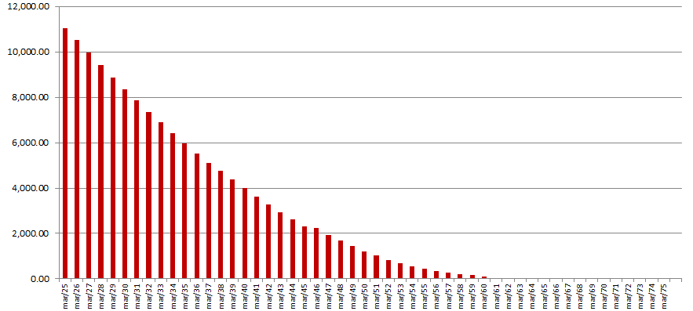
 |  |  | 2025-03-30 | 11,021,634,613
 |  |  | 2026-03-30 | 10,509,451,385
 |  |  | 2027-03-30 | 9,956,342,949
 |  |  | 2028-03-30 | 9,412,604,295
 |  |  | 2029-03-30 | 8,880,290,865
 |  |  | 2030-03-30 | 8,361,165,885
 |  |  | 2030-03-30 | 8,361,165,885
 |  |  | 2035-03-30 | 5,972,653,406
 |  |  | 2040-03-30 | 3,986,576,013
 |  |  | 2045-03-30 | 2,298,040,792
 |  |  | 2050-03-30 | 1,218,535,677
 |  |  | 2055-03-30 | 439,204,462
 |  |  | 2060-03-30 | 99,940,817
 |  |  | 2065-03-30 | 8,841,244
 |  |  | 2070-03-30 | 210,116
 |  |  | 2075-03-30 | 2,948
 |  |  | 2080-03-30 | 0
 |  |  | 2085-03-30 | 0
 |  |  | 2090-03-30 | 0
b Includes mortgage pool and other assets; assumes no prepayments (constant prepayment rate of 0%)

