D. Nat Trans Templ (2)
 |  |  | Report Reference Date: | 2025-06-30
 |  |  | Report Frequency: | Quarterly
6. Mortgage Credit Pool (continued)
Seasoning | Number of Loans | % Total Loans | Amount of Loans | % Total Amount
Up to 1 year | 353 | 0.19% | 40,376,032 | 0.37%
1 to 2 years | 3,774 | 2.04% | 449,620,786 | 4.08%
2 to 3 years | 8,921 | 4.82% | 1,102,797,592 | 10.02%
3 to 4 years | 11,405 | 6.17% | 1,276,730,603 | 11.60%
4 to 5 years | 9,898 | 5.35% | 1,019,932,720 | 9.26%
5 to 6 years | 8,834 | 4.78% | 789,612,316 | 7.17%
6 to 7 years | 8,908 | 4.82% | 743,414,079 | 6.75%
7 to 8 years | 7,313 | 3.95% | 566,411,636 | 5.14%
8 to 9 years | 4,737 | 2.56% | 308,661,862 | 2.80%
9 to 10 years | 3,628 | 1.96% | 208,663,500 | 1.90%
10 to 11 years | 2,381 | 1.29% | 125,394,448 | 1.14%
11 to 12 years | 2,088 | 1.13% | 91,136,281 | 0.83%
More than 12 years | 112,750 | 60.95% | 4,286,702,923 | 38.94%
Remaining Term | Number of Loans | % Total Loans | Amount of Loans | % Total Amount
Up to 5 years | 19,568 | 10.58% | 184,435,531 | 1.68%
5 to 8 years | 15,427 | 8.34% | 326,450,126 | 2.97%
8 to 10 years | 8,189 | 4.43% | 249,741,181 | 2.27%
10 to 12 years | 8,656 | 4.68% | 321,599,349 | 2.92%
12 to 14 years | 8,340 | 4.51% | 391,755,427 | 3.56%
14 to 16 years | 9,004 | 4.87% | 457,193,044 | 4.15%
16 to 18 years | 9,343 | 5.05% | 520,392,108 | 4.73%
18 to 20 years | 12,007 | 6.49% | 671,200,594 | 6.10%
20 to 22 years | 13,325 | 7.20% | 850,618,478 | 7.73%
22 to 24 years | 13,150 | 7.11% | 942,405,948 | 8.56%
24 to 26 years | 14,731 | 7.96% | 1,138,781,524 | 10.34%
26 to 28 years | 12,238 | 6.62% | 1,084,622,075 | 9.85%
28 to 30 years | 9,453 | 5.11% | 808,663,504 | 7.35%
30 to 40 years | 31,351 | 16.95% | 3,041,305,087 | 27.62%
More than 40 years | 208 | 0.11% | 20,290,802 | 0.18%
Current Unindexed LTV | Number of Loans | % Total Loans | Amount of Loans | % Total Amount
Up to 40% | 94,094 | 50.86% | 3,391,149,676 | 30.80%
40 to 50% | 26,807 | 14.49% | 1,815,467,560 | 16.49%
50 to 60% | 26,139 | 14.13% | 2,050,939,335 | 18.63%
60 to 70% | 22,653 | 12.25% | 2,073,944,057 | 18.84%
70 to 80% | 15,297 | 8.27% | 1,677,954,150 | 15.24%
More than 80% | 0 | 0.00% | 0 | 0.00%
Loan Purpose | Number of Loans | % Total Loans | Amount of Loans | % Total Amount
Owner-occupied | 170,057 | 91.93% | 9,741,546,934 | 88.48%
Second Home | 14,856 | 8.03% | 1,258,015,291 | 11.43%
Buy to Let | 0 | 0.00% | 0 | 0.00%
Other | 77 | 0.04% | 9,892,552 | 0.09%
Property Type | Number of Loans | % Total Loans | Amount of Loans | % Total Amount
Residential | 184,990 | 100.00% | 11,009,454,777 | 100.00%
Flat | 116,482 | 62.97% | 6,585,669,978 | 59.82%
House | 68,508 | 37.03% | 4,423,784,800 | 40.18%
Other | 0 | 0.00% | 0 | 0.00%
Commercial | 0 | 0.00% | 0 | 0.00%
Geographical Distribution | Number of Loans | % Total Loans | Amount of Loans | % Total Amount
Portugal | 184,990 | 100.00% | 11,009,454,777 | 100.00%
Norte | 58,207 | 31.47% | 3,133,561,027 | 28.46%
Center | 31,887 | 17.24% | 1,544,906,981 | 14.03%
Lisbon | 72,173 | 39.01% | 4,916,826,120 | 44.66%
Alentejo | 6,840 | 3.70% | 310,580,382 | 2.82%
Algarve | 9,283 | 5.02% | 720,243,570 | 6.54%
Madeira | 3,782 | 2.04% | 231,138,677 | 2.10%
Azores | 2,818 | 1.52% | 152,198,021 | 1.38%
Delinquencies7 | Number of Loans | % Total Loans | Amount of Loans | % Total Amount
> 30 to 60 days | 238 | 0.13% | 13,825,586 | 0.13%
> 60 to 90 days | 8 | 0.00% | 436,896 | 0.00%
> 90 days | 0 | 0.00% | 0 | 0.00%
Projected Outstanding Amountb |  |  | Amortisation Profile__ | Principal Balance
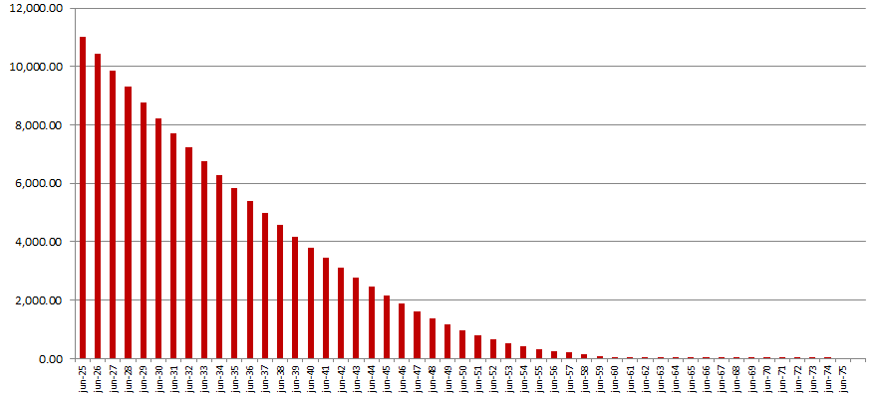
 |  |  | 2025-06-30 | 11,009,454,777
 |  |  | 2026-06-30 | 10,432,173,862
 |  |  | 2027-06-30 | 9,862,983,819
 |  |  | 2028-06-30 | 9,305,497,269
 |  |  | 2029-06-30 | 8,762,811,071
 |  |  | 2030-06-30 | 8,235,960,133
 |  |  | 2030-06-30 | 8,235,960,133
 |  |  | 2035-06-30 | 5,842,262,033
 |  |  | 2040-06-30 | 3,809,319,248
 |  |  | 2045-06-30 | 2,158,106,955
 |  |  | 2050-06-30 | 974,204,048
 |  |  | 2055-06-30 | 316,871,384
 |  |  | 2060-06-30 | 34,025,597
 |  |  | 2065-06-30 | 863,750
 |  |  | 2070-06-30 | 13,423
 |  |  | 2075-06-30 | 0
 |  |  | 2080-06-30 | 0
 |  |  | 2085-06-30 | 0
 |  |  | 2090-06-30 | 0
b Includes mortgage pool and other assets; assumes no prepayments (constant prepayment rate of 0%)

