D. Nat Trans Templ (2)
 |  |  | Report Reference Date: | 2025-12-31
 |  |  | Report Frequency: | Quarterly
6. Mortgage Credit Pool (continued)
Seasoning | Number of Loans | % Total Loans | Amount of Loans | % Total Amount
Up to 1 year | 7,292 | 3.66% | 1,124,250,450 | 8.39%
1 to 2 years | 12,482 | 6.26% | 1,685,287,793 | 12.58%
2 to 3 years | 9,959 | 4.99% | 1,133,557,790 | 8.46%
3 to 4 years | 9,861 | 4.95% | 1,181,274,923 | 8.82%
4 to 5 years | 11,151 | 5.59% | 1,180,754,872 | 8.82%
5 to 6 years | 8,032 | 4.03% | 753,546,037 | 5.63%
6 to 7 years | 8,728 | 4.38% | 734,271,313 | 5.48%
7 to 8 years | 7,916 | 3.97% | 636,066,335 | 4.75%
8 to 9 years | 5,698 | 2.86% | 394,907,792 | 2.95%
9 to 10 years | 3,878 | 1.94% | 231,651,888 | 1.73%
10 to 11 years | 2,862 | 1.44% | 161,139,982 | 1.20%
11 to 12 years | 1,914 | 0.96% | 88,488,906 | 0.66%
More than 12 years | 109,635 | 54.98% | 4,089,174,562 | 30.53%
Remaining Term | Number of Loans | % Total Loans | Amount of Loans | % Total Amount
Up to 5 years | 20,428 | 10.24% | 196,651,573 | 1.47%
5 to 8 years | 14,877 | 7.46% | 325,058,556 | 2.43%
8 to 10 years | 8,304 | 4.16% | 271,612,690 | 2.03%
10 to 12 years | 8,538 | 4.28% | 341,805,752 | 2.55%
12 to 14 years | 8,596 | 4.31% | 437,266,595 | 3.26%
14 to 16 years | 9,412 | 4.72% | 518,475,838 | 3.87%
16 to 18 years | 10,546 | 5.29% | 606,989,427 | 4.53%
18 to 20 years | 13,089 | 6.56% | 824,909,547 | 6.16%
20 to 22 years | 14,172 | 7.11% | 972,109,378 | 7.26%
22 to 24 years | 13,644 | 6.84% | 1,067,237,012 | 7.97%
24 to 26 years | 15,840 | 7.94% | 1,330,579,177 | 9.93%
26 to 28 years | 13,265 | 6.65% | 1,248,273,847 | 9.32%
28 to 30 years | 12,731 | 6.38% | 1,266,113,589 | 9.45%
30 to 40 years | 35,798 | 17.95% | 3,971,582,840 | 29.65%
More than 40 years | 168 | 0.08% | 15,706,823 | 0.12%
Current Unindexed LTV | Number of Loans | % Total Loans | Amount of Loans | % Total Amount
Up to 40% | 99,007 | 49.65% | 3,869,696,904 | 28.89%
40 to 50% | 29,030 | 14.56% | 2,162,288,564 | 16.14%
50 to 60% | 28,214 | 14.15% | 2,449,203,210 | 18.29%
60 to 70% | 24,961 | 12.52% | 2,595,129,341 | 19.37%
70 to 80% | 18,196 | 9.13% | 2,318,054,625 | 17.31%
More than 80% | 0 | 0.00% | 0 | 0.00%
Loan Purpose | Number of Loans | % Total Loans | Amount of Loans | % Total Amount
Owner-occupied | 183,089 | 91.82% | 11,883,017,816 | 88.72%
Second Home | 16,239 | 8.14% | 1,501,063,443 | 11.21%
Buy to Let | 0 | 0.00% | 0 | 0.00%
Other | 80 | 0.04% | 10,291,384 | 0.08%
Property Type | Number of Loans | % Total Loans | Amount of Loans | % Total Amount
Residential | 199,408 | 100.00% | 13,394,372,643 | 100.00%
Flat | 126,854 | 63.62% | 8,223,818,712 | 61.40%
House | 72,554 | 36.38% | 5,170,553,931 | 38.60%
Other | 0 | 0.00% | 0 | 0.00%
Commercial | 0 | 0.00% | 0 | 0.00%
Geographical Distribution | Number of Loans | % Total Loans | Amount of Loans | % Total Amount
Portugal | 199,408 | 100.00% | 13,394,372,643 | 100.00%
Norte | 61,907 | 31.05% | 3,727,035,251 | 27.83%
Center | 34,289 | 17.20% | 1,844,591,259 | 13.77%
Lisbon | 79,203 | 39.72% | 6,176,048,468 | 46.11%
Alentejo | 7,168 | 3.59% | 354,422,248 | 2.65%
Algarve | 9,996 | 5.01% | 855,068,695 | 6.38%
Madeira | 3,952 | 1.98% | 268,185,812 | 2.00%
Azores | 2,893 | 1.45% | 169,020,909 | 1.26%
Delinquencies7 | Number of Loans | % Total Loans | Amount of Loans | % Total Amount
> 30 to 60 days | 186 | 0.09% | 12,406,970 | 0.09%
> 60 to 90 days | 2 | 0.00% | 175,609 | 0.00%
> 90 days | 0 | 0.00% | 0 | 0.00%
Projected Outstanding Amountb |  |  | Amortisation Profile__ | Principal Balance
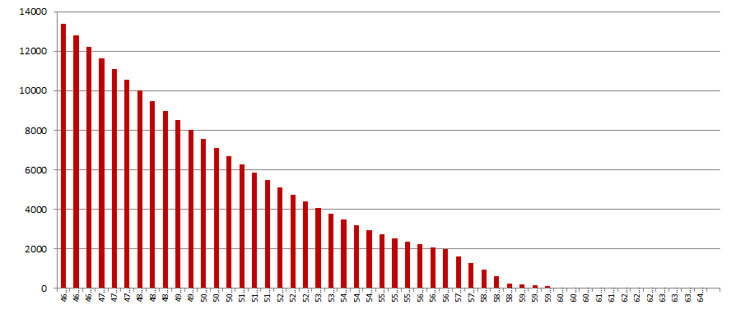
 |  |  | 2025-12-31 | 13,394,372,643
 |  |  | 2026-12-31 | 12,797,651,609
 |  |  | 2027-12-31 | 12,213,533,166
 |  |  | 2028-12-31 | 11,640,505,728
 |  |  | 2029-12-31 | 11,081,367,401
 |  |  | 2030-12-31 | 10,535,719,736
 |  |  | 2030-12-31 | 10,535,719,736
 |  |  | 2035-12-31 | 8,025,161,535
 |  |  | 2040-12-31 | 5,855,877,688
 |  |  | 2045-12-31 | 4,064,419,462
 |  |  | 2050-12-31 | 2,745,744,526
 |  |  | 2055-12-31 | 1,971,709,520
 |  |  | 2060-12-31 | 257,720,507
 |  |  | 2065-12-31 | 2,327,707
 |  |  | 2070-12-31 | 9,920
 |  |  | 2075-12-31 | 0
 |  |  | 2080-12-31 | 0
 |  |  | 2085-12-31 | 0
 |  |  | 2090-12-31 | 0
b Includes mortgage pool and other assets; assumes no prepayments (constant prepayment rate of 0%)

