D. Nat Trans Templ (2)
 |  |  | Report Reference Date: | 2026-06-30
 |  |  | Report Frequency: | Quarterly
6. Mortgage Credit Pool (continued)
Seasoning | Number of Loans | % Total Loans | Amount of Loans | % Total Amount
Up to 1 year | 4,459 | 2.34% | 735,119,260 | 5.78%
1 to 2 years | 11,676 | 6.13% | 1,691,539,612 | 13.29%
2 to 3 years | 10,504 | 5.51% | 1,228,830,007 | 9.66%
3 to 4 years | 7,984 | 4.19% | 906,365,989 | 7.12%
4 to 5 years | 10,271 | 5.39% | 1,094,193,687 | 8.60%
5 to 6 years | 8,773 | 4.60% | 872,683,430 | 6.86%
6 to 7 years | 7,876 | 4.13% | 675,420,622 | 5.31%
7 to 8 years | 7,960 | 4.18% | 635,798,358 | 5.00%
8 to 9 years | 6,500 | 3.41% | 483,076,033 | 3.80%
9 to 10 years | 4,241 | 2.23% | 266,177,606 | 2.09%
10 to 11 years | 3,230 | 1.70% | 181,376,632 | 1.43%
11 to 12 years | 2,163 | 1.14% | 109,397,212 | 0.86%
More than 12 years | 104,895 | 55.05% | 3,846,659,919 | 30.23%
Remaining Term | Number of Loans | % Total Loans | Amount of Loans | % Total Amount
Up to 5 years | 20,433 | 10.72% | 192,120,699 | 1.51%
5 to 8 years | 14,000 | 7.35% | 311,855,248 | 2.45%
8 to 10 years | 8,103 | 4.25% | 268,208,993 | 2.11%
10 to 12 years | 8,008 | 4.20% | 327,694,079 | 2.57%
12 to 14 years | 8,471 | 4.45% | 428,062,001 | 3.36%
14 to 16 years | 9,163 | 4.81% | 497,492,258 | 3.91%
16 to 18 years | 10,717 | 5.62% | 607,449,686 | 4.77%
18 to 20 years | 13,062 | 6.86% | 833,213,855 | 6.55%
20 to 22 years | 13,455 | 7.06% | 929,171,687 | 7.30%
22 to 24 years | 14,077 | 7.39% | 1,097,986,619 | 8.63%
24 to 26 years | 14,461 | 7.59% | 1,234,397,813 | 9.70%
26 to 28 years | 12,382 | 6.50% | 1,169,237,399 | 9.19%
28 to 30 years | 12,350 | 6.48% | 1,218,689,402 | 9.58%
30 to 40 years | 31,725 | 16.65% | 3,599,411,867 | 28.28%
More than 40 years | 125 | 0.07% | 11,646,759 | 0.09%
Current Unindexed LTV | Number of Loans | % Total Loans | Amount of Loans | % Total Amount
Up to 40% | 97,082 | 50.95% | 3,817,757,072 | 30.00%
40 to 50% | 27,884 | 14.63% | 2,092,629,693 | 16.44%
50 to 60% | 26,655 | 13.99% | 2,330,238,885 | 18.31%
60 to 70% | 23,283 | 12.22% | 2,442,197,337 | 19.19%
70 to 80% | 15,628 | 8.20% | 2,043,815,380 | 16.06%
More than 80% | 0 | 0.00% | 0 | 0.00%
Loan Purpose | Number of Loans | % Total Loans | Amount of Loans | % Total Amount
Owner-occupied | 175,059 | 91.88% | 11,308,534,123 | 88.86%
Second Home | 15,396 | 8.08% | 1,408,348,362 | 11.07%
Buy to Let | 0 | 0.00% | 0 | 0.00%
Other | 77 | 0.04% | 9,755,882 | 0.08%
Property Type | Number of Loans | % Total Loans | Amount of Loans | % Total Amount
Residential | 190,532 | 100.00% | 12,726,638,367 | 100.00%
Flat | 121,213 | 63.62% | 7,822,265,562 | 61.46%
House | 69,319 | 36.38% | 4,904,372,805 | 38.54%
Other | 0 | 0.00% | 0 | 0.00%
Commercial | 0 | 0.00% | 0 | 0.00%
Geographical Distribution | Number of Loans | % Total Loans | Amount of Loans | % Total Amount
Portugal | 190,532 | 100.00% | 12,726,638,367 | 100.00%
Norte | 58,999 | 30.97% | 3,530,670,881 | 27.74%
Center | 32,562 | 17.09% | 1,730,270,450 | 13.60%
Lisbon | 75,901 | 39.84% | 5,895,686,664 | 46.33%
Alentejo | 6,882 | 3.61% | 341,306,058 | 2.68%
Algarve | 9,560 | 5.02% | 808,370,689 | 6.35%
Madeira | 3,819 | 2.00% | 259,068,096 | 2.04%
Azores | 2,809 | 1.47% | 161,265,530 | 1.27%
Delinquencies7 | Number of Loans | % Total Loans | Amount of Loans | % Total Amount
> 30 to 60 days | 203 | 0.11% | 13,382,680 | 0.11%
> 60 to 90 days | 5 | 0.00% | 339,426 | 0.00%
> 90 days | 0 | 0.00% | 0 | 0.00%
Projected Outstanding Amountb |  |  | Amortisation Profile__ | Principal Balance

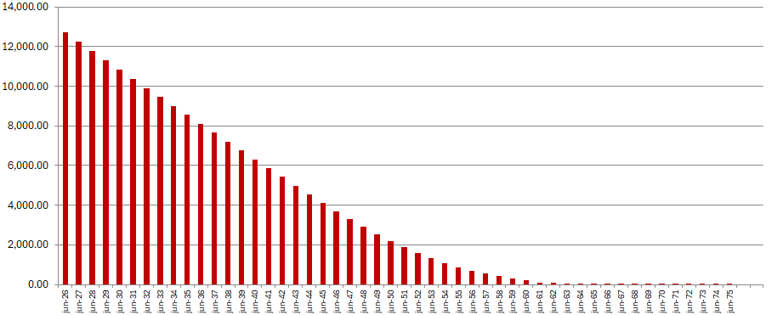
 |  |  | 2026-06-30 | 12,726,638,367
 |  |  | 2027-06-30 | 12,254,778,549
 |  |  | 2028-06-30 | 11,786,858,010
 |  |  | 2029-06-30 | 11,315,300,069
 |  |  | 2030-06-30 | 10,844,536,604
 |  |  | 2031-06-30 | 10,377,666,837
 |  |  | 2031-06-30 | 10,377,666,837
 |  |  | 2035-06-30 | 8,552,590,335
 |  |  | 2040-06-30 | 6,308,336,580
 |  |  | 2045-06-30 | 4,120,022,097
 |  |  | 2050-06-30 | 2,192,977,153
 |  |  | 2055-06-30 | 851,503,801
 |  |  | 2060-06-30 | 203,753,339
 |  |  | 2065-06-30 | 18,471,380
 |  |  | 2070-06-30 | 214,097
 |  |  | 2075-06-30 | 5,122
 |  |  | 2080-06-30 | 0
 |  |  | 2085-06-30 | 0
 |  |  | 2090-06-30 | 0
b Includes mortgage pool and other assets; assumes no prepayments (constant prepayment rate of 0%)

