D. Insert Nat Trans Templ (2)
 |  |  | Report Reference Date: | 2026-03-31
 |  |  | Report Frequency: | Quarterly
6. Mortgage Credit Pool (continued)
Seasoning | Number of Loans | % Total Loans | Amount of Loans | % Total Amount
Up to 1 year | 4,253 | 2.20% | 670,891,231 | 5.27%
1 to 2 years | 12,299 | 6.38% | 1,714,952,903 | 13.47%
2 to 3 years | 10,203 | 5.29% | 1,164,935,860 | 9.15%
3 to 4 years | 8,447 | 4.38% | 979,224,693 | 7.69%
4 to 5 years | 10,943 | 5.67% | 1,161,990,242 | 9.13%
5 to 6 years | 7,950 | 4.12% | 766,331,118 | 6.02%
6 to 7 years | 8,502 | 4.41% | 723,143,153 | 5.68%
7 to 8 years | 8,001 | 4.15% | 638,557,146 | 5.02%
8 to 9 years | 6,042 | 3.13% | 432,038,546 | 3.39%
9 to 10 years | 4,046 | 2.10% | 248,925,435 | 1.96%
10 to 11 years | 3,054 | 1.58% | 170,303,962 | 1.34%
11 to 12 years | 1,994 | 1.03% | 98,259,069 | 0.77%
More than 12 years | 107,161 | 55.55% | 3,960,139,972 | 31.11%
Remaining Term | Number of Loans | % Total Loans | Amount of Loans | % Total Amount
Up to 5 years | 20,363 | 10.56% | 192,629,768 | 1.51%
5 to 8 years | 14,418 | 7.47% | 317,881,365 | 2.50%
8 to 10 years | 8,160 | 4.23% | 262,280,377 | 2.06%
10 to 12 years | 8,231 | 4.27% | 332,687,148 | 2.61%
12 to 14 years | 8,486 | 4.40% | 427,624,026 | 3.36%
14 to 16 years | 9,209 | 4.77% | 501,018,395 | 3.94%
16 to 18 years | 10,652 | 5.52% | 600,591,048 | 4.72%
18 to 20 years | 12,984 | 6.73% | 806,983,150 | 6.34%
20 to 22 years | 13,530 | 7.01% | 929,720,393 | 7.30%
22 to 24 years | 13,815 | 7.16% | 1,067,423,089 | 8.39%
24 to 26 years | 14,974 | 7.76% | 1,251,166,169 | 9.83%
26 to 28 years | 12,670 | 6.57% | 1,180,312,222 | 9.27%
28 to 30 years | 12,201 | 6.33% | 1,184,980,970 | 9.31%
30 to 40 years | 33,066 | 17.14% | 3,661,791,684 | 28.77%
More than 40 years | 136 | 0.07% | 12,603,529 | 0.10%
Current Unindexed LTV | Number of Loans | % Total Loans | Amount of Loans | % Total Amount
Up to 40% | 97,348 | 50.47% | 3,780,204,266 | 29.70%
40 to 50% | 28,247 | 14.64% | 2,089,307,213 | 16.41%
50 to 60% | 27,095 | 14.05% | 2,326,750,944 | 18.28%
60 to 70% | 23,756 | 12.32% | 2,442,911,800 | 19.19%
70 to 80% | 16,449 | 8.53% | 2,090,519,108 | 16.42%
More than 80% | 0 | 0.00% | 0 | 0.00%
Loan Purpose | Number of Loans | % Total Loans | Amount of Loans | % Total Amount
Owner-occupied | 177,247 | 91.89% | 11,311,362,715 | 88.86%
Second Home | 15,571 | 8.07% | 1,408,519,804 | 11.06%
Buy to Let | 0 | 0.00% | 0 | 0.00%
Other | 77 | 0.04% | 9,810,812 | 0.08%
Property Type | Number of Loans | % Total Loans | Amount of Loans | % Total Amount
Residential | 192,895 | 100.00% | 12,729,693,331 | 100.00%
Flat | 122,696 | 63.61% | 7,816,685,050 | 61.41%
House | 70,199 | 36.39% | 4,913,008,282 | 38.59%
Other | 0 | 0.00% | 0 | 0.00%
Commercial | 0 | 0.00% | 0 | 0.00%
Geographical Distribution | Number of Loans | % Total Loans | Amount of Loans | % Total Amount
Portugal | 192,895 | 100.00% | 12,729,693,331 | 100.00%
Norte | 59,929 | 31.07% | 3,549,911,134 | 27.89%
Center | 32,917 | 17.06% | 1,735,206,490 | 13.63%
Lisbon | 76,684 | 39.75% | 5,869,284,217 | 46.11%
Alentejo | 6,994 | 3.63% | 342,874,434 | 2.69%
Algarve | 9,668 | 5.01% | 812,656,704 | 6.38%
Madeira | 3,856 | 2.00% | 256,010,570 | 2.01%
Azores | 2,847 | 1.48% | 163,749,782 | 1.29%
Delinquencies7 | Number of Loans | % Total Loans | Amount of Loans | % Total Amount
> 30 to 60 days | 244 | 0.13% | 15,152,117 | 0.12%
> 60 to 90 days | 4 | 0.00% | 184,607 | 0.00%
> 90 days | 0 | 0.00% | 0 | 0.00%
Projected Outstanding Amountb |  |  | Amortisation Profile__ | Principal Balance
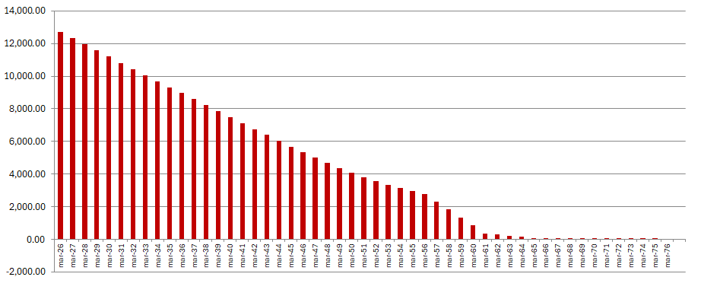
 |  |  | 2026-03-31 | 12,729,693,331
 |  |  | 2027-03-31 | 12,342,377,675
 |  |  | 2028-03-31 | 11,962,882,895
 |  |  | 2029-03-31 | 11,578,908,789
 |  |  | 2030-03-31 | 11,195,193,619
 |  |  | 2031-03-31 | 10,814,161,620
 |  |  | 2031-03-31 | 10,814,161,620
 |  |  | 2035-03-31 | 9,325,064,303
 |  |  | 2040-03-31 | 7,485,490,490
 |  |  | 2045-03-31 | 5,672,971,834
 |  |  | 2050-03-31 | 4,064,985,431
 |  |  | 2055-03-31 | 2,946,261,996
 |  |  | 2060-03-31 | 852,988,002
 |  |  | 2065-03-31 | 76,908,162
 |  |  | 2070-03-31 | 828,092
 |  |  | 2075-03-31 | 4,478
 |  |  | 2080-03-31 | 0
 |  |  | 2085-03-31 | 0
 |  |  | 2090-03-31 | 0
b Includes mortgage pool and other assets; assumes no prepayments (constant prepayment rate of 0%)

